Provincial ranking
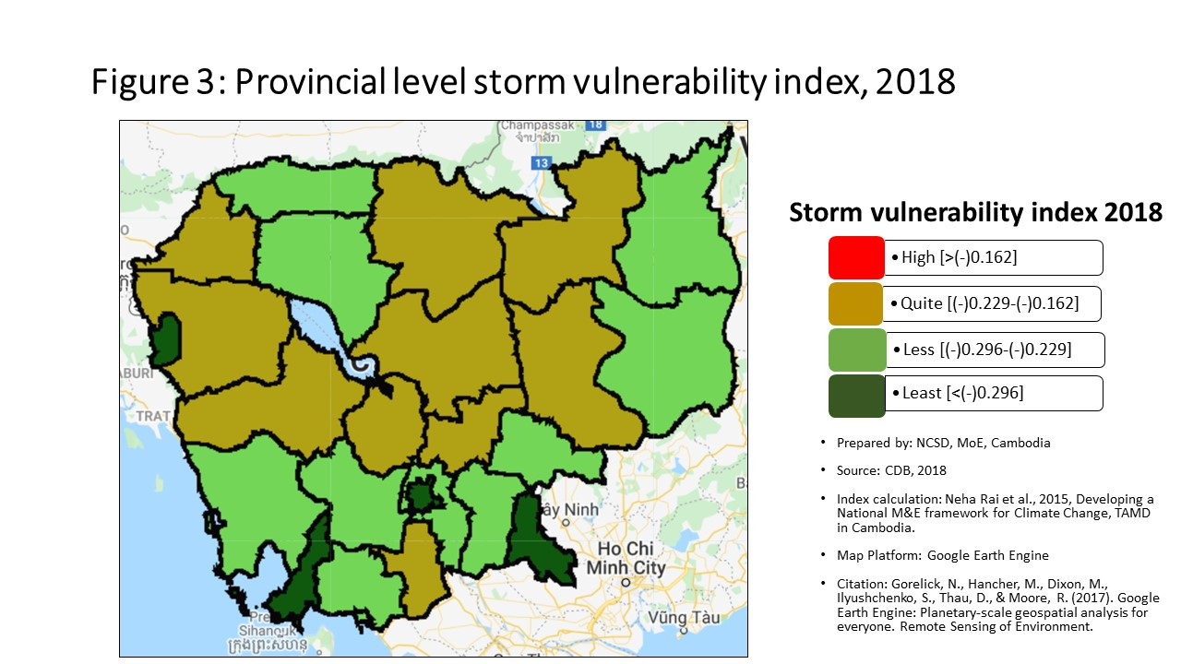
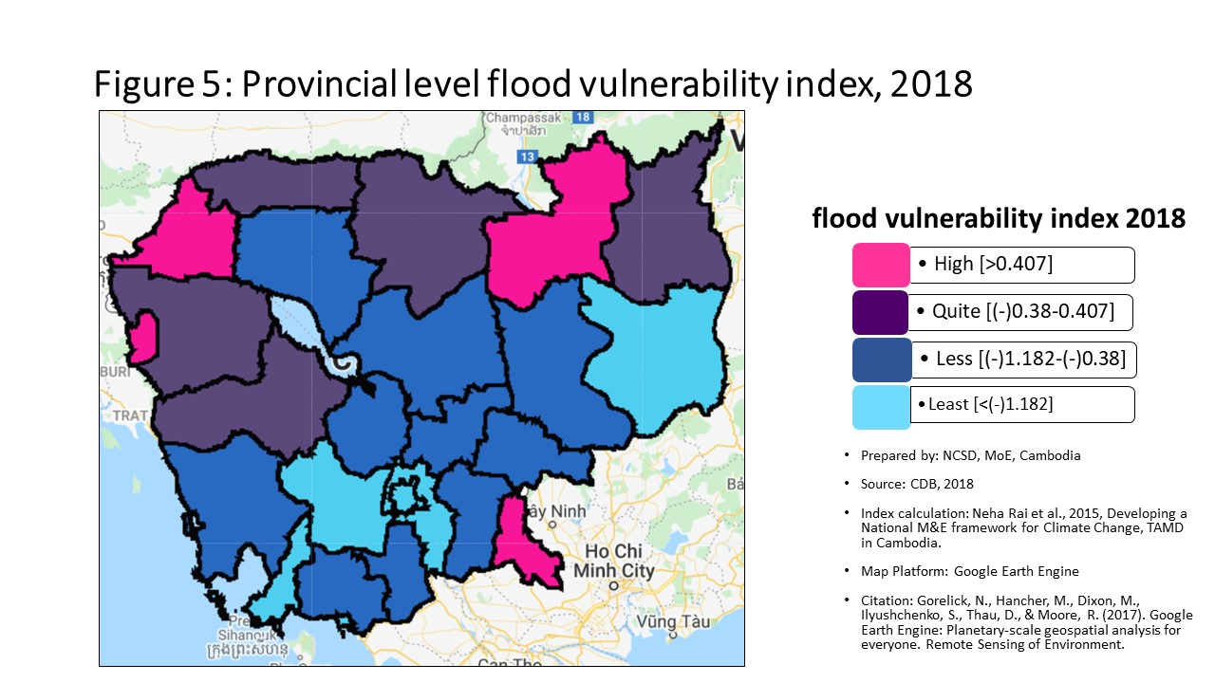
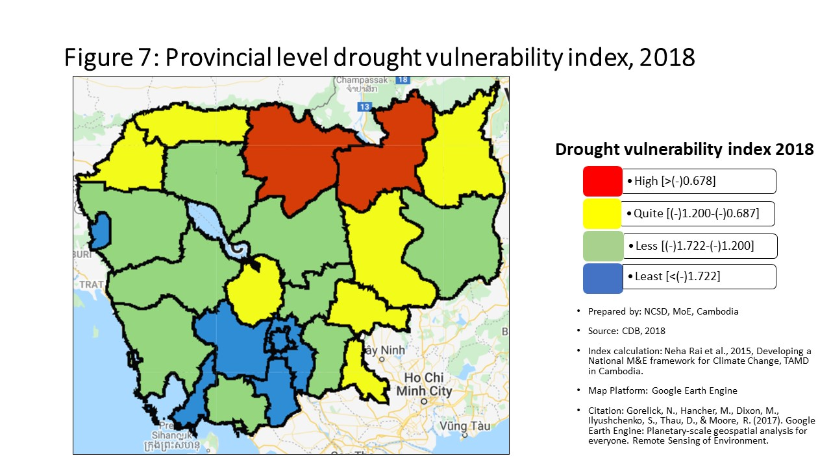
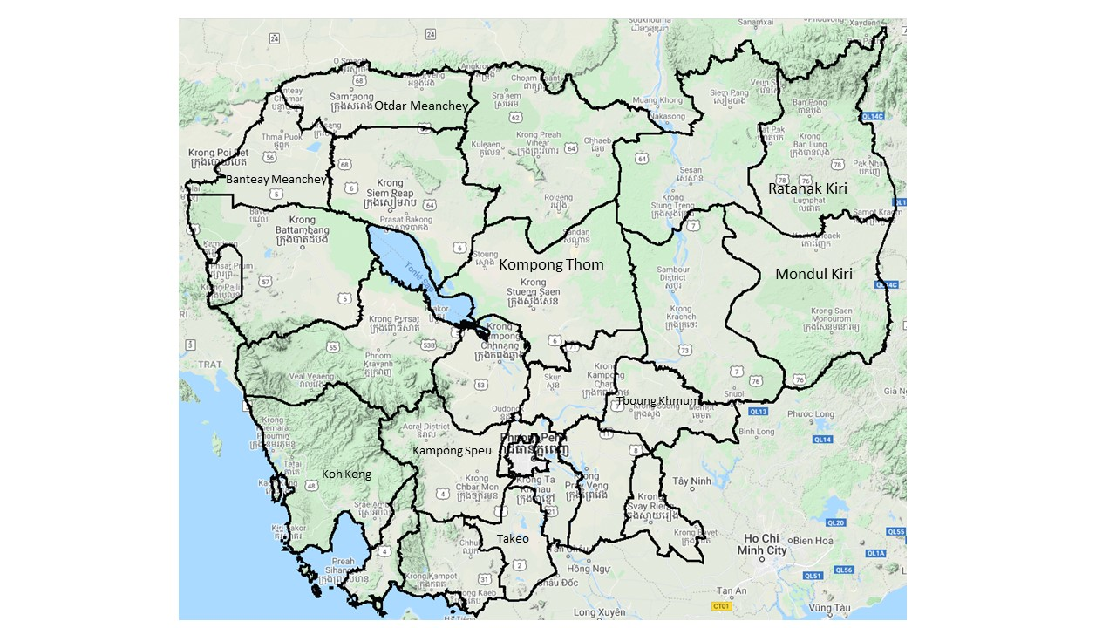
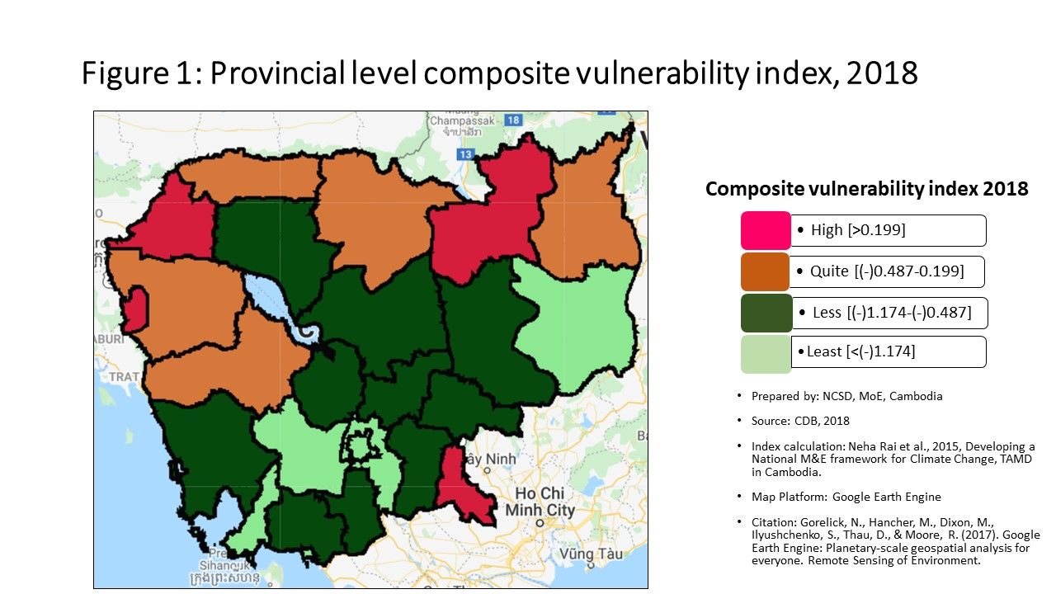
Vulnerability Index by province, 2018
Prepared by: | NCSD, MoE, Cambodia
Source: | CDB 2018
PROV_CODE | PROV_NAME | Storm VI | Rank | Flood VI | Rank | Drought VI | Rank | Composite VI | Rank
1 | Banteay Meanchey | -0.211 | 5 | 0.752 | 3 | -1.127 | 8 | 0.611 | 2
2 | Battambang | -0.222 | 8 | -0.069 | 8 | -1.251 | 11 | -0.068 | 7
3 | Kampong Cham | -0.216 | 6 | -0.832 | 15 | -1.409 | 15 | -0.803 | 15
4 | Kampong Chhnang | -0.205 | 3 | -0.533 | 12 | -1.174 | 9 | -0.601 | 13
5 | Kampong Speu | -0.243 | 11 | -2.086 | 23 | -2.468 | 23 | -2.044 | 23
6 | Kampong Thom | -0.223 | 9 | -0.459 | 10 | -1.254 | 12 | -0.510 | 10
7 | Kampot | -0.256 | 18 | -1.064 | 18 | -1.608 | 18 | -1.060 | 18
8 | Kandal | -0.244 | 12 | -1.465 | 22 | -2.081 | 22 | -1.447 | 22
9 | Koh Kong | -0.252 | 15 | -1.041 | 16 | -1.233 | 10 | -0.998 | 16
10 | Kracheh | -0.224 | 10 | -0.563 | 13 | -1.040 | 6 | -0.525 | 11
11 | Mondul Kiri | -0.272 | 20 | -1.439 | 21 | -1.594 | 17 | -1.353 | 21
12 | Phnom Penh | -0.529 | 25 | -2.788 | 25 | -3.052 | 25 | -2.744 | 25
13 | Preah Vihear | -0.193 | 1 | -0.066 | 7 | -0.290 | 1 | -0.119 | 8
14 | Prey Veng | -0.255 | 17 | -0.779 | 14 | -1.436 | 16 | -0.742 | 14
15 | Pursat | -0.209 | 4 | -0.227 | 9 | -1.310 | 14 | -0.386 | 9
16 | Ratanak Kiri | -0.266 | 19 | 0.063 | 5 | -0.975 | 4 | 0.024 | 6
17 | Siem Reap | -0.254 | 16 | -0.511 | 11 | -1.262 | 13 | -0.564 | 12
18 | Preah Sihanouk | -0.299 | 22 | -2.333 | 24 | -2.526 | 24 | -2.285 | 24
19 | Stung Treng | -0.218 | 7 | 0.868 | 2 | -0.571 | 2 | 0.452 | 4
20 | Svay Rieng | -0.360 | 24 | 0.563 | 4 | -1.019 | 5 | 0.508 | 3
21 | Takeo | -0.201 | 2 | -1.057 | 17 | -1.728 | 20 | -1.061 | 19
22 | Otdar Meanchey | -0.248 | 13 | -0.015 | 6 | -0.858 | 3 | 0.038 | 5
23 | Kep | -0.250 | 14 | -1.356 | 20 | -1.624 | 19 | -1.316 | 20
24 | Pailin | -0.332 | 23 | 0.996 | 1 | -1.754 | 21 | 0.857 | 1
25 | Tboung Khmum | -0.282 | 21 | -1.076 | 19 | -1.073 | 7 | -1.044 | 17

Percentage
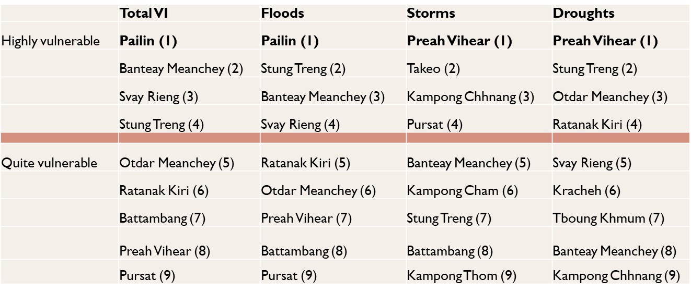
Communes that are 'highly vulnerable' to climate hazards in each provinces, by hazard type
 | Hightly vunlerble |  |  |  | Quite Vulnerable
 | Storm | Flood | Drought |  | Storm | Flood | Drought
Banteay Meanchey | 13.85% | 44.62% | 29.23% | Banteay Meanchey | 52.31% | 35.38% | 36.92%
Battambang | 15.69% | 24.51% | 19.61% | Battambang | 44.12% | 30.39% | 28.43%
Kampong Cham | 16.51% | 5.50% | 13.76% | Kampong Cham | 49.54% | 21.10% | 31.19%
Kampong Chhnang | 27.14% | 10.00% | 35.71% | Kampong Chhnang | 22.86% | 28.57% | 20.00%
Kampong Speu | 5.75% | 3.45% | 1.15% | Kampong Speu | 33.33% | 2.30% | 9.20%
Kampong Thom | 18.52% | 16.05% | 37.04% | Kampong Thom | 33.33% | 32.10% | 32.10%
Kampot | 6.45% | 3.23% | 12.90% | Kampot | 31.18% | 11.83% | 24.73%
Kandal | 14.96% | 10.24% | 3.94% | Kandal | 27.56% | 7.09% | 12.60%
Koh Kong | 10.34% | 3.45% | 37.93% | Koh Kong | 20.69% | 24.14% | 27.59%
Kracheh | 21.28% | 10.64% | 44.68% | Kracheh | 36.17% | 31.91% | 27.66%
Mondul Kiri | 0.00% | 0.00% | 23.81% | Mondul Kiri | 19.05% | 19.05% | 19.05%
Phnom Penh | 0.00% | 0.95% | 0.00% | Phnom Penh | 0.00% | 0.95% | 0.95%
Preah Vihear | 31.37% | 11.76% | 66.67% | Preah Vihear | 43.14% | 54.90% | 15.69%
Prey Veng | 9.48% | 7.76% | 15.52% | Prey Veng | 22.41% | 22.41% | 31.90%
Pursat | 16.33% | 18.37% | 26.53% | Pursat | 53.06% | 32.65% | 34.69%
Ratanak Kiri | 6.00% | 20.00% | 54.00% | Ratanak Kiri | 16.00% | 30.00% | 24.00%
Siem Reap | 9.00% | 16.00% | 48.00% | Siem Reap | 40.00% | 37.00% | 16.00%
Preah Sihanouk | 3.45% | 3.45% | 10.34% | Preah Sihanouk | 31.03% | 3.45% | 3.45%
Stung Treng | 17.65% | 17.65% | 70.59% | Stung Treng | 41.18% | 58.82% | 17.65%
Communes that are 'quite vulnerable' to climate hazards in each provinces, by hazard type
Svay Rieng | 0.00% | 30.00% | 26.25% | Svay Rieng | 1.25% | 20.00% | 26.25%
Takeo | 25.00% | 8.00% | 8.00% | Takeo | 35.00% | 17.00% | 27.00%
Otdar Meanchey | 12.50% | 29.17% | 58.33% | Otdar Meanchey | 20.83% | 50.00% | 20.83%
Kep | 0.00% | 0.00% | 0.00% | Kep | 40.00% | 0.00% | 20.00%
Pailin | 0.00% | 62.50% | 0.00% | Pailin | 12.50% | 25.00% | 37.50%
Tboung Khmum | 3.13% | 7.81% | 18.75% | Tboung Khmum | 12.50% | 17.19% | 26.56%

Commune Ranking
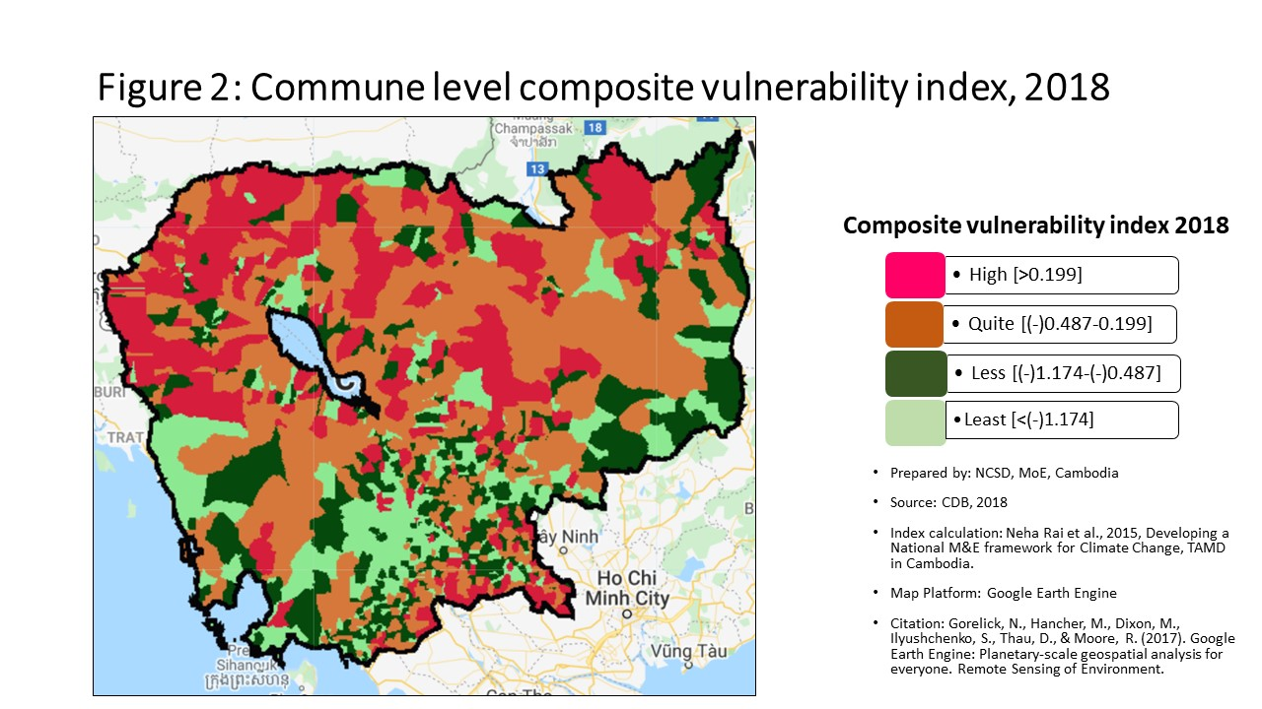
Vulnerability Index by commune, 2018
Prepared by: | NCSD, MoE,Cambodia
Source: | CDB 2018
CommGis | Province | District | Commune | Storm VI | Rank | FLOOD VI | Rank | Drought VI | Rank | Composite VI | Rank
11002 | Banteay Meanchey | Paoy Paet | Paoy Paet | -0.29 | 1158 | -2.81 | 1485 | -3.38 | 1523 | -2.988 | 1523
11001 | Banteay Meanchey | Paoy Paet | Nimitt | -0.21 | 489 | 0.33 | 228 | -2.36 | 1313 | -0.099 | 434
11003 | Banteay Meanchey | Paoy Paet | Phsar Kandal | -0.25 | 889 | -1.87 | 1274 | -2.23 | 1272 | -1.827 | 1285
10201 | Banteay Meanchey | Mongkol Borei | Banteay Neang | -0.19 | 407 | -0.68 | 762 | -1.64 | 1022 | -0.629 | 777
10202 | Banteay Meanchey | Mongkol Borei | Bat Trang | -0.17 | 231 | 0.21 | 267 | -0.59 | 319 | 0.258 | 253
10203 | Banteay Meanchey | Mongkol Borei | Chamnaom | -0.24 | 744 | 0.49 | 205 | -1.31 | 830 | 0.282 | 250
10204 | Banteay Meanchey | Mongkol Borei | Kouk Ballangk | -0.21 | 483 | 0.29 | 240 | -0.71 | 409 | 0.310 | 242
10205 | Banteay Meanchey | Mongkol Borei | Koy Maeng | -0.17 | 253 | 3.33 | 55 | -1.58 | 987 | 1.857 | 73
10206 | Banteay Meanchey | Mongkol Borei | Ou Prasat | -0.17 | 271 | -2.13 | 1343 | -2.47 | 1358 | -2.113 | 1370
10207 | Banteay Meanchey | Mongkol Borei | Phnum Touch | -0.22 | 586 | -0.65 | 744 | -2.06 | 1204 | -0.618 | 771
10208 | Banteay Meanchey | Mongkol Borei | Rohat Tuek | -0.17 | 273 | 0.31 | 235 | -0.96 | 587 | 0.316 | 241
10209 | Banteay Meanchey | Mongkol Borei | Ruessei Kraok | -0.25 | 850 | -1.26 | 1060 | -2.66 | 1397 | -1.337 | 1129
10210 | Banteay Meanchey | Mongkol Borei | Sambuor | -0.15 | 176 | 2.86 | 67 | -0.42 | 190 | 2.198 | 62
10211 | Banteay Meanchey | Mongkol Borei | Soea | -0.17 | 247 | 0.53 | 198 | -0.62 | 342 | 0.581 | 177
10212 | Banteay Meanchey | Mongkol Borei | Srah Reang | -0.10 | 65 | 0.42 | 211 | -0.59 | 325 | 0.460 | 201
10213 | Banteay Meanchey | Mongkol Borei | Ta Lam | -0.14 | 128 | 0.21 | 268 | -0.73 | 419 | 0.328 | 238
10301 | Banteay Meanchey | Phnum Srok | Nam Tau | -0.20 | 471 | 4.90 | 34 | -0.37 | 174 | 3.630 | 35
10302 | Banteay Meanchey | Phnum Srok | Poy Char | -0.19 | 358 | 2.43 | 77 | -0.28 | 136 | 2.421 | 49
10303 | Banteay Meanchey | Phnum Srok | Ponley | -0.22 | 595 | 0.78 | 171 | -1.09 | 689 | 0.851 | 145
10304 | Banteay Meanchey | Phnum Srok | Spean Sraeng | -0.14 | 140 | 0.00 | 340 | -0.75 | 435 | 0.109 | 304
10305 | Banteay Meanchey | Phnum Srok | Srah Chik | -0.25 | 886 | 1.99 | 90 | -1.01 | 626 | 2.075 | 65
10306 | Banteay Meanchey | Phnum Srok | Phnum Dei | -0.22 | 580 | 1.15 | 136 | -0.93 | 569 | 1.268 | 112
10401 | Banteay Meanchey | Preah Netr Preah | Chnuor Mean Chey | -0.19 | 386 | 1.13 | 139 | -0.76 | 446 | 1.149 | 117
10402 | Banteay Meanchey | Preah Netr Preah | Chob Veari | -0.23 | 697 | -0.58 | 703 | -1.79 | 1096 | -0.499 | 701
10403 | Banteay Meanchey | Preah Netr Preah | Phnum Lieb | -0.22 | 657 | 0.54 | 197 | -0.69 | 396 | 0.523 | 186
10404 | Banteay Meanchey | Preah Netr Preah | Prasat | -0.22 | 574 | 0.06 | 313 | -0.95 | 581 | 0.055 | 330
10405 | Banteay Meanchey | Preah Netr Preah | Preah Netr Preah | -0.28 | 1128 | 0.52 | 201 | -0.92 | 558 | 0.519 | 188
10406 | Banteay Meanchey | Preah Netr Preah | Rohal | -0.21 | 510 | 1.45 | 118 | -0.63 | 348 | 1.556 | 94
10407 | Banteay Meanchey | Preah Netr Preah | Tean Kam | -0.21 | 561 | 5.76 | 24 | 0.62 | 18 | 4.604 | 23
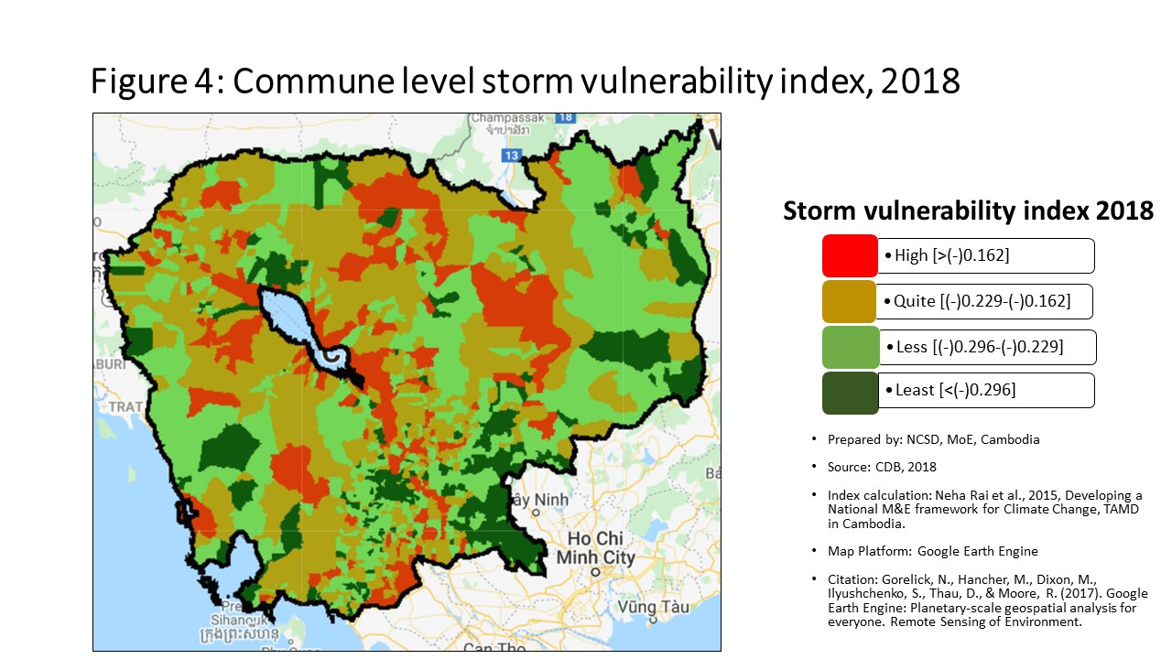
10408 | Banteay Meanchey | Preah Netr Preah | Tuek Chour | -0.16 | 187 | 0.93 | 157 | -0.98 | 610 | 0.736 | 154
10409 | Banteay Meanchey | Preah Netr Preah | Bos Sbov | -0.19 | 356 | 1.60 | 107 | -0.47 | 222 | 1.221 | 114
10501 | Banteay Meanchey | Ou Chrov | Changha | -0.16 | 189 | 0.33 | 229 | -0.55 | 287 | 0.288 | 245
10502 | Banteay Meanchey | Ou Chrov | Koub | -0.19 | 365 | -0.40 | 598 | -1.23 | 777 | -0.439 | 668
10503 | Banteay Meanchey | Ou Chrov | Kuttasat | -0.28 | 1085 | 0.97 | 152 | -0.83 | 498 | 0.970 | 135
10509 | Banteay Meanchey | Ou Chrov | Ou Bei Choan | -0.17 | 252 | 3.79 | 42 | -1.49 | 938 | 2.367 | 56
10505 | Banteay Meanchey | Ou Chrov | Samraong | -0.19 | 359 | 3.51 | 50 | -0.65 | 370 | 2.419 | 50
10506 | Banteay Meanchey | Ou Chrov | Souphi | -0.24 | 753 | 0.28 | 247 | -0.64 | 359 | 0.285 | 248
10507 | Banteay Meanchey | Ou Chrov | Soengh | -0.14 | 116 | 2.95 | 64 | -0.32 | 150 | 2.286 | 58
10608 | Banteay Meanchey | Serei Saophoan | Tuek Thla | -0.26 | 927 | 0.26 | 252 | -0.90 | 544 | 0.367 | 225
10602 | Banteay Meanchey | Serei Saophoan | Kampong Svay | -0.33 | 1344 | -2.29 | 1391 | -2.58 | 1383 | -2.149 | 1377
10603 | Banteay Meanchey | Serei Saophoan | Kaoh Pong Satv | -0.16 | 222 | 0.28 | 248 | -0.79 | 465 | 0.320 | 240
10604 | Banteay Meanchey | Serei Saophoan | Mkak | -0.25 | 912 | -0.12 | 412 | -1.05 | 654 | -0.040 | 378
10605 | Banteay Meanchey | Serei Saophoan | Ou Ambel | -0.27 | 1045 | 0.04 | 326 | -1.03 | 640 | -0.074 | 407
10606 | Banteay Meanchey | Serei Saophoan | Phniet | -0.24 | 771 | 8.39 | 10 | -0.59 | 317 | 5.738 | 16
10607 | Banteay Meanchey | Serei Saophoan | Preah Ponlea | -0.38 | 1457 | -1.05 | 966 | -1.32 | 834 | -1.051 | 997
10701 | Banteay Meanchey | Thma Puok | Banteay Chhmar | -0.20 | 454 | -0.03 | 361 | -1.00 | 620 | 0.052 | 332
10702 | Banteay Meanchey | Thma Puok | Kouk Romiet | -0.17 | 285 | 0.43 | 210 | -0.77 | 451 | 0.534 | 184
10703 | Banteay Meanchey | Thma Puok | Phum Thmei | -0.23 | 732 | -0.04 | 365 | -1.08 | 681 | 0.053 | 331
10704 | Banteay Meanchey | Thma Puok | Thma Puok | -0.21 | 519 | -0.18 | 444 | -1.63 | 1016 | -0.140 | 465
10705 | Banteay Meanchey | Thma Puok | Kouk Kakthen | -0.24 | 790 | 0.99 | 149 | -0.35 | 167 | 1.114 | 120
10706 | Banteay Meanchey | Thma Puok | Kumru | -0.25 | 891 | -0.81 | 834 | -1.80 | 1103 | -0.667 | 795
10801 | Banteay Meanchey | Svay Chek | Phkoam | -0.18 | 297 | 0.40 | 213 | -1.13 | 715 | 0.462 | 200
10802 | Banteay Meanchey | Svay Chek | Sarongk | -0.28 | 1143 | 8.32 | 12 | -0.89 | 535 | 8.295 | 7
10803 | Banteay Meanchey | Svay Chek | Sla Kram | -0.24 | 786 | 0.22 | 262 | 0.26 | 25 | 0.355 | 229
10804 | Banteay Meanchey | Svay Chek | Svay Chek | -0.18 | 304 | -0.22 | 482 | -1.51 | 950 | -0.086 | 418
10805 | Banteay Meanchey | Svay Chek | Ta Baen | -0.17 | 279 | 0.01 | 337 | 0.48 | 20 | 0.135 | 293
10806 | Banteay Meanchey | Svay Chek | Ta Phou | -0.19 | 395 | 0.58 | 193 | -0.44 | 201 | 0.630 | 170
10807 | Banteay Meanchey | Svay Chek | Treas | -0.14 | 125 | 0.92 | 158 | -0.74 | 425 | 1.018 | 130
10808 | Banteay Meanchey | Svay Chek | Roluos | -0.21 | 501 | -1.65 | 1206 | -3.23 | 1503 | -1.533 | 1195
10901 | Banteay Meanchey | Malai | Boeng Beng | -0.27 | 1044 | -0.83 | 847 | -3.51 | 1537 | -0.823 | 884
10902 | Banteay Meanchey | Malai | Malai | -0.26 | 963 | -0.08 | 384 | -1.76 | 1080 | 0.005 | 353
10903 | Banteay Meanchey | Malai | Ou Sampoar | -0.17 | 278 | 0.63 | 188 | -1.59 | 992 | 0.729 | 157
10904 | Banteay Meanchey | Malai | Ou Sralau | -0.27 | 1079 | -0.01 | 351 | -1.85 | 1119 | 0.080 | 316
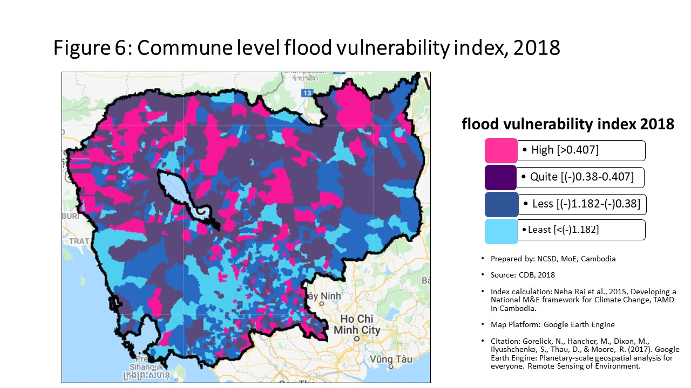
10905 | Banteay Meanchey | Malai | Tuol Pongro | -0.18 | 315 | -0.04 | 366 | -0.89 | 542 | -0.024 | 369
10906 | Banteay Meanchey | Malai | Ta Kong | -0.16 | 200 | 1.06 | 143 | -0.53 | 263 | 1.029 | 128
20101 | Battambang | Banan | Kantueu Muoy | -0.21 | 531 | 4.63 | 37 | -0.59 | 322 | 3.212 | 42
20102 | Battambang | Banan | Kantueu Pir | -0.19 | 368 | 5.59 | 27 | -1.14 | 718 | 3.642 | 33
20103 | Battambang | Banan | Bay Damram | -0.13 | 94 | -0.20 | 458 | -0.45 | 210 | -0.168 | 479
20104 | Battambang | Banan | Chheu Teal | -0.22 | 627 | -0.67 | 755 | -1.86 | 1120 | -0.790 | 867
20105 | Battambang | Banan | Chaeng Mean Chey | -0.17 | 281 | 0.65 | 185 | -0.76 | 440 | 0.749 | 153
20106 | Battambang | Banan | Phnum Sampov | -0.20 | 450 | -1.01 | 942 | -1.96 | 1170 | -1.018 | 979
20107 | Battambang | Banan | Snoeng | -0.21 | 528 | 1.98 | 91 | -0.74 | 429 | 1.562 | 93
20108 | Battambang | Banan | Ta Kream | -0.17 | 272 | -0.20 | 464 | -1.76 | 1082 | -0.278 | 559
20201 | Battambang | Thma Koul | Ta Pung | -0.26 | 1006 | -1.25 | 1049 | -2.06 | 1205 | -1.118 | 1031
20202 | Battambang | Thma Koul | Ta Meun | -0.25 | 922 | -0.79 | 830 | -1.67 | 1043 | -0.703 | 818
20203 | Battambang | Thma Koul | Ou Ta Ki | -0.20 | 466 | -0.16 | 437 | -0.98 | 607 | -0.061 | 393
20204 | Battambang | Thma Koul | Chrey | -0.22 | 584 | -0.70 | 772 | -2.29 | 1290 | -0.950 | 956
20205 | Battambang | Thma Koul | Anlong Run | -0.19 | 348 | 0.68 | 181 | -0.75 | 434 | 0.750 | 152
20206 | Battambang | Thma Koul | Chrouy Sdau | -0.21 | 570 | 0.26 | 257 | -0.84 | 504 | 0.385 | 218
20207 | Battambang | Thma Koul | Boeng Pring | -0.20 | 457 | 1.02 | 145 | -1.93 | 1152 | 0.709 | 161
20208 | Battambang | Thma Koul | Kouk Khmum | -0.14 | 137 | -0.29 | 520 | -1.16 | 735 | -0.211 | 510
20209 | Battambang | Thma Koul | Bansay Traeng | -0.26 | 979 | -0.36 | 576 | -1.54 | 961 | -0.242 | 537
20210 | Battambang | Thma Koul | Rung Chrey | -0.21 | 496 | -0.26 | 505 | -1.26 | 798 | -0.225 | 523
20301 | Battambang | Battambang | Tuol Ta Aek | -0.45 | 1541 | -1.27 | 1066 | -2.17 | 1243 | -1.378 | 1144
20302 | Battambang | Battambang | Preaek Preah Sdach | -0.43 | 1529 | -1.70 | 1220 | -1.75 | 1076 | -1.568 | 1205
20303 | Battambang | Battambang | Rotanak | -0.32 | 1319 | -1.40 | 1124 | -1.53 | 959 | -1.347 | 1134
20304 | Battambang | Battambang | Chamkar Samraong | -0.30 | 1229 | -2.77 | 1481 | -1.85 | 1117 | -2.649 | 1473
20305 | Battambang | Battambang | Sla Kaet | -0.34 | 1359 | -5.63 | 1633 | -5.83 | 1630 | -5.487 | 1633
20306 | Battambang | Battambang | Kdol Doun Teav | -0.27 | 1068 | -1.16 | 1010 | -1.36 | 861 | -1.015 | 976
20307 | Battambang | Battambang | Ou Mal | -0.23 | 743 | -0.76 | 817 | -1.64 | 1021 | -0.689 | 809
20308 | Battambang | Battambang | Voat Kor | -0.34 | 1366 | -1.52 | 1170 | -1.95 | 1166 | -1.387 | 1148
20309 | Battambang | Battambang | Ou Char | -0.33 | 1339 | -2.62 | 1455 | -2.87 | 1443 | -2.506 | 1450
20310 | Battambang | Battambang | Svay Pao | -0.43 | 1532 | -1.73 | 1228 | -1.70 | 1053 | -1.570 | 1206
20401 | Battambang | Bavel | Bavel | -0.24 | 829 | -1.25 | 1048 | -1.89 | 1135 | -1.110 | 1029
20402 | Battambang | Bavel | Khnach Romeas | -0.23 | 664 | -0.67 | 757 | -1.71 | 1058 | -0.547 | 730
20403 | Battambang | Bavel | Lvea | -0.23 | 734 | -0.39 | 588 | -1.42 | 893 | -0.261 | 550
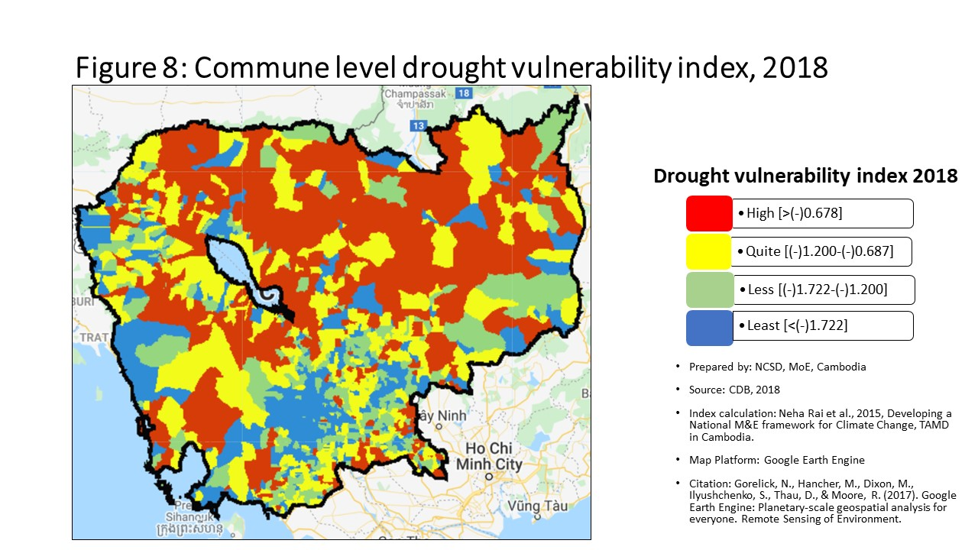
20404 | Battambang | Bavel | Prey Khpos | -0.24 | 810 | -0.21 | 476 | -0.93 | 568 | -0.077 | 411
20405 | Battambang | Bavel | Ampil Pram Daeum | -0.24 | 765 | -0.59 | 712 | -1.12 | 711 | -0.470 | 683
20406 | Battambang | Bavel | Kdol Ta Haen | -0.25 | 862 | -0.76 | 816 | -1.38 | 871 | -0.631 | 779
20407 | Battambang | Bavel | Khlaeng Meas | -0.19 | 408 | -0.44 | 621 | -0.97 | 603 | -0.321 | 593
20408 | Battambang | Bavel | Boeung Pram | -0.18 | 301 | -0.37 | 581 | -0.53 | 268 | -0.262 | 551
20501 | Battambang | Aek Phnum | Preaek Norint | -0.26 | 989 | -1.20 | 1031 | -1.67 | 1038 | -1.197 | 1066
20502 | Battambang | Aek Phnum | Samraong Knong | -0.33 | 1330 | -0.97 | 917 | -1.29 | 822 | -0.861 | 906
20503 | Battambang | Aek Phnum | Preaek Khpob | -0.21 | 569 | -1.76 | 1240 | -1.86 | 1121 | -1.673 | 1244
20504 | Battambang | Aek Phnum | Preaek Luong | -0.20 | 464 | -0.84 | 858 | -1.29 | 812 | -0.714 | 825
20505 | Battambang | Aek Phnum | Peam Aek | -0.21 | 563 | -0.72 | 788 | -1.14 | 721 | -0.595 | 749
20506 | Battambang | Aek Phnum | Prey Chas | -0.04 | 19 | -0.01 | 349 | -0.02 | 40 | -0.064 | 397
20507 | Battambang | Aek Phnum | Kaoh Chiveang | -0.04 | 16 | -0.01 | 353 | -0.09 | 56 | -0.077 | 410
20601 | Battambang | Moung Ruessei | Moung | -0.19 | 350 | -1.10 | 983 | -1.49 | 934 | -1.120 | 1032
20602 | Battambang | Moung Ruessei | Kear | -0.15 | 168 | -0.34 | 563 | -1.03 | 641 | -0.350 | 613
20603 | Battambang | Moung Ruessei | Prey Svay | -0.13 | 96 | -0.63 | 729 | -1.21 | 765 | -0.650 | 785
20604 | Battambang | Moung Ruessei | Ruessei Krang | -0.15 | 152 | -1.21 | 1037 | -2.18 | 1249 | -1.223 | 1074
20605 | Battambang | Moung Ruessei | Chrey | -0.08 | 34 | -0.20 | 461 | -0.84 | 510 | -0.074 | 406
20606 | Battambang | Moung Ruessei | Ta Loas | -0.16 | 181 | -0.45 | 628 | -0.94 | 570 | -0.350 | 614
20607 | Battambang | Moung Ruessei | Kakaoh | -0.07 | 30 | 0.30 | 236 | -0.51 | 244 | 0.287 | 247
20608 | Battambang | Moung Ruessei | Prey Touch | -0.19 | 385 | 0.30 | 239 | -1.05 | 658 | 0.366 | 226
20609 | Battambang | Moung Ruessei | Robas Mongkol | -0.12 | 78 | -0.33 | 552 | -0.79 | 474 | -0.323 | 594
20701 | Battambang | Rotonak Mondol | Sdau | -0.29 | 1186 | 1.09 | 141 | -1.29 | 821 | 0.708 | 162
20702 | Battambang | Rotonak Mondol | Andaeuk Haeb | -0.27 | 1046 | 0.22 | 263 | -0.26 | 120 | 0.261 | 252
20703 | Battambang | Rotonak Mondol | Phlov Meas | -0.21 | 548 | -0.59 | 709 | -1.54 | 963 | -0.418 | 656
20704 | Battambang | Rotonak Mondol | Traeng | -0.23 | 695 | 0.32 | 234 | -1.04 | 646 | 0.424 | 206
20705 | Battambang | Rotonak Mondol | Reaksmei Songha | -0.27 | 1027 | 1.49 | 113 | -0.58 | 310 | 1.577 | 90
20801 | Battambang | Sangkae | Anlong Vil | -0.24 | 816 | 0.19 | 272 | -1.58 | 988 | -0.126 | 459
20802 | Battambang | Sangkae | Norea | -0.25 | 883 | -0.93 | 895 | -1.11 | 698 | -0.772 | 851
20803 | Battambang | Sangkae | Ta Pon | -0.19 | 353 | 1.46 | 117 | -1.02 | 634 | 1.055 | 127
20804 | Battambang | Sangkae | Roka | -0.21 | 541 | -0.49 | 652 | -0.75 | 439 | -0.358 | 619
20805 | Battambang | Sangkae | Kampong Preah | -0.31 | 1273 | -0.21 | 475 | -0.51 | 248 | -0.069 | 402
20806 | Battambang | Sangkae | Kampong Preang | -0.21 | 492 | 0.28 | 245 | -0.76 | 448 | 0.443 | 203
20807 | Battambang | Sangkae | Reang Kesei | -0.12 | 84 | -0.35 | 567 | -1.04 | 649 | -0.181 | 485
20808 | Battambang | Sangkae | Ou Dambang Muoy | -0.21 | 550 | -0.90 | 883 | -0.43 | 197 | -0.740 | 840
20809 | Battambang | Sangkae | Ou Dambang Pir | -0.24 | 800 | -0.84 | 857 | -1.15 | 729 | -0.692 | 815
20810 | Battambang | Sangkae | Voat Ta Muem | -0.21 | 487 | -1.00 | 940 | -1.30 | 824 | -0.915 | 934
20901 | Battambang | Samlout | Ta Taok | -0.21 | 499 | -0.97 | 912 | -1.05 | 660 | -0.829 | 887
20902 | Battambang | Samlout | Kampong Lpov | -0.25 | 859 | 0.07 | 307 | -1.22 | 772 | 0.234 | 260
20903 | Battambang | Samlout | Ou Samril | -0.24 | 818 | -0.65 | 748 | -2.46 | 1357 | -0.571 | 744
20904 | Battambang | Samlout | Sung | -0.23 | 702 | -0.05 | 373 | -0.82 | 493 | 0.082 | 315
20905 | Battambang | Samlout | Samlout | -0.25 | 904 | -0.63 | 735 | -1.05 | 656 | -0.565 | 739
20906 | Battambang | Samlout | Mean Chey | -0.23 | 722 | 3.38 | 54 | -0.67 | 380 | 2.667 | 46
20907 | Battambang | Samlout | Ta Sanh | -0.25 | 893 | -1.28 | 1069 | -2.44 | 1350 | -1.153 | 1045
21001 | Battambang | Sampov Lun | Sampov Lun | -0.30 | 1230 | -0.41 | 605 | -4.29 | 1590 | -0.263 | 552
21002 | Battambang | Sampov Lun | Angkor Ban | -0.32 | 1301 | -0.72 | 790 | -4.75 | 1605 | -0.571 | 745
21003 | Battambang | Sampov Lun | Ta Sda | -0.33 | 1331 | 2.58 | 70 | -3.79 | 1563 | 2.743 | 44
21004 | Battambang | Sampov Lun | Santepheap | -0.38 | 1454 | -3.16 | 1534 | -5.01 | 1612 | -3.149 | 1542
21005 | Battambang | Sampov Lun | Serei Mean Chey | -0.28 | 1097 | 0.48 | 206 | -2.42 | 1340 | 0.553 | 182
21006 | Battambang | Sampov Lun | Chrey Seima | -0.25 | 923 | 0.63 | 189 | -1.92 | 1148 | 0.723 | 159
21101 | Battambang | Phnum Proek | Phnum Proek | -0.22 | 659 | 3.46 | 52 | -1.92 | 1143 | 3.568 | 37
21102 | Battambang | Phnum Proek | Pech Chenda | -0.26 | 1001 | 5.12 | 29 | -2.46 | 1354 | 4.002 | 27
21103 | Battambang | Phnum Proek | Bour | -0.21 | 488 | 0.90 | 161 | -1.11 | 700 | 0.962 | 137
21104 | Battambang | Phnum Proek | Barang Thleak | -0.23 | 669 | 1.72 | 101 | -3.61 | 1543 | 1.744 | 77
21105 | Battambang | Phnum Proek | Ou Rumduol | -0.23 | 684 | 0.29 | 241 | -2.69 | 1405 | 0.410 | 210
21201 | Battambang | Kamrieng | Kamrieng | -0.20 | 418 | 0.75 | 175 | -2.19 | 1253 | 0.843 | 146
21202 | Battambang | Kamrieng | Boeng Reang | -0.26 | 1004 | 0.74 | 176 | -1.17 | 741 | 0.867 | 143
21203 | Battambang | Kamrieng | Ou Da | -0.21 | 552 | 1.39 | 121 | -1.59 | 991 | 1.502 | 98
21204 | Battambang | Kamrieng | Trang | -0.23 | 688 | 0.62 | 190 | -2.37 | 1315 | 0.735 | 155
21205 | Battambang | Kamrieng | Ta Saen | -0.21 | 517 | 1.60 | 106 | -2.18 | 1248 | 1.715 | 81
21206 | Battambang | Kamrieng | Ta Krei | -0.19 | 346 | 1.56 | 111 | -1.31 | 827 | 1.603 | 88
21301 | Battambang | Koas Krala | Thipakdei | -0.11 | 77 | 0.65 | 184 | -0.62 | 345 | 0.658 | 166
21302 | Battambang | Koas Krala | Kaos Krala | -0.19 | 402 | -0.84 | 859 | -1.37 | 868 | -0.712 | 824
21303 | Battambang | Koas Krala | Hab | -0.15 | 158 | 0.11 | 296 | -0.16 | 72 | 0.239 | 258
21304 | Battambang | Koas Krala | Preah Phos | -0.16 | 216 | -0.03 | 359 | -0.39 | 179 | 0.084 | 313
21305 | Battambang | Koas Krala | Doun Ba | -0.14 | 112 | 0.06 | 311 | -0.19 | 84 | 0.177 | 279
21306 | Battambang | Koas Krala | Chhnal Moan | -0.21 | 523 | 0.37 | 220 | -0.56 | 291 | 0.359 | 228
21401 | Battambang | Rukh Kiri | Preaek Chik | -0.17 | 261 | -0.44 | 619 | 6.37 | 7 | -0.410 | 649
21402 | Battambang | Rukh Kiri | Prey Tralach | -0.15 | 169 | 0.34 | 226 | 10.31 | 4 | 0.432 | 204
21403 | Battambang | Rukh Kiri | Mukh Reah | -0.19 | 355 | 1.39 | 120 | 3.03 | 11 | 1.013 | 131
21404 | Battambang | Rukh Kiri | Sdok Pravoek | -0.20 | 419 | -0.47 | 639 | -1.06 | 670 | -0.423 | 661
21405 | Battambang | Rukh Kiri | Basak | -0.17 | 233 | 0.17 | 277 | -0.40 | 183 | 0.216 | 267
30101 | Kampong Cham | Batheay | Batheay | -0.22 | 594 | -1.21 | 1036 | -1.68 | 1047 | -1.090 | 1022
30102 | Kampong Cham | Batheay | Chbar Ampov | -0.29 | 1151 | 1.67 | 102 | -1.11 | 705 | 0.979 | 134
30103 | Kampong Cham | Batheay | Chealea | -0.14 | 142 | 0.27 | 249 | -1.97 | 1175 | -0.200 | 502
30104 | Kampong Cham | Batheay | Cheung Prey | -0.24 | 780 | -0.83 | 849 | -1.28 | 810 | -0.701 | 816
30105 | Kampong Cham | Batheay | Me Pring | -0.20 | 420 | -0.81 | 838 | -1.18 | 744 | -0.690 | 810
30106 | Kampong Cham | Batheay | Ph'av | -0.44 | 1540 | -1.85 | 1268 | -2.40 | 1332 | -1.733 | 1257
30107 | Kampong Cham | Batheay | Sambour | -0.28 | 1100 | -1.18 | 1019 | -1.85 | 1115 | -1.043 | 992
30108 | Kampong Cham | Batheay | Sandaek | -0.21 | 485 | -0.48 | 649 | -0.69 | 395 | -0.338 | 605
30109 | Kampong Cham | Batheay | Tang Krang | -0.30 | 1207 | -1.63 | 1198 | -2.07 | 1209 | -1.511 | 1188
30110 | Kampong Cham | Batheay | Tang Krasang | -0.19 | 380 | -0.70 | 774 | -1.15 | 724 | -0.639 | 783
30111 | Kampong Cham | Batheay | Trab | -0.17 | 270 | -0.28 | 515 | -0.69 | 397 | -0.145 | 467
30112 | Kampong Cham | Batheay | Tumnob | -0.32 | 1321 | -1.69 | 1215 | -1.82 | 1106 | -1.544 | 1198
30201 | Kampong Cham | Chamkar Leu | Bos Khnor | -0.25 | 878 | -1.32 | 1085 | -1.62 | 1010 | -1.185 | 1057
30202 | Kampong Cham | Chamkar Leu | Chamkar Andoung | -0.21 | 480 | -0.21 | 474 | -0.69 | 398 | -0.072 | 405
30203 | Kampong Cham | Chamkar Leu | Cheyyou | -0.20 | 468 | -0.99 | 926 | -1.30 | 825 | -0.867 | 909
30204 | Kampong Cham | Chamkar Leu | Lvea Leu | -0.28 | 1099 | -1.14 | 1002 | -1.74 | 1073 | -1.010 | 975
30205 | Kampong Cham | Chamkar Leu | Spueu | -0.24 | 824 | -0.25 | 500 | -0.70 | 402 | -0.131 | 460
30206 | Kampong Cham | Chamkar Leu | Svay Teab | -0.28 | 1121 | -0.11 | 405 | -1.79 | 1093 | -0.404 | 642
30207 | Kampong Cham | Chamkar Leu | Ta Ong | -0.21 | 534 | -1.09 | 980 | -1.38 | 873 | -0.946 | 951
30208 | Kampong Cham | Chamkar Leu | Ta Prok | -0.19 | 405 | -0.05 | 368 | -0.44 | 203 | 0.084 | 312
30301 | Kampong Cham | Cheung Prey | Khnor Dambang | -0.22 | 617 | -1.49 | 1158 | -2.12 | 1226 | -1.404 | 1159
30302 | Kampong Cham | Cheung Prey | Kouk Rovieng | -0.18 | 294 | -1.46 | 1150 | -1.91 | 1138 | -1.332 | 1126
30303 | Kampong Cham | Cheung Prey | Pdau Chum | -0.22 | 609 | -0.37 | 579 | -0.82 | 489 | -0.276 | 556
30304 | Kampong Cham | Cheung Prey | Prey Char | -0.24 | 777 | -2.45 | 1424 | -2.73 | 1412 | -2.321 | 1416
30305 | Kampong Cham | Cheung Prey | Pring Chrum | -0.16 | 205 | -0.40 | 593 | -0.61 | 336 | -0.333 | 600
30306 | Kampong Cham | Cheung Prey | Sampong Chey | -0.17 | 262 | -2.56 | 1447 | -2.92 | 1450 | -2.461 | 1444
30307 | Kampong Cham | Cheung Prey | Sdaeung Chey | -0.23 | 678 | -1.59 | 1187 | -2.00 | 1187 | -1.442 | 1176
30308 | Kampong Cham | Cheung Prey | Soutib | -0.23 | 693 | -0.90 | 879 | -3.28 | 1509 | -1.437 | 1173
30309 | Kampong Cham | Cheung Prey | Sramar | -0.24 | 792 | -2.25 | 1381 | -2.41 | 1337 | -2.106 | 1366
30310 | Kampong Cham | Cheung Prey | Trapeang Kor | -0.22 | 647 | -1.25 | 1050 | -1.88 | 1131 | -1.146 | 1044
30501 | Kampong Cham | Kampong Cham | Boeng Kok | -0.38 | 1448 | -3.38 | 1552 | -3.30 | 1514 | -3.235 | 1550
30502 | Kampong Cham | Kampong Cham | Kampong Cham | -0.52 | 1577 | -2.02 | 1314 | -2.08 | 1211 | -1.883 | 1299
30503 | Kampong Cham | Kampong Cham | Sambuor Meas | -0.34 | 1353 | -3.36 | 1550 | -3.49 | 1535 | -3.238 | 1551
30504 | Kampong Cham | Kampong Cham | Veal Vong | -0.48 | 1558 | -2.01 | 1310 | -1.98 | 1183 | -1.856 | 1293
30601 | Kampong Cham | Kampong Siem | Ampil | -0.30 | 1214 | -2.17 | 1360 | -2.38 | 1320 | -2.046 | 1350
30602 | Kampong Cham | Kampong Siem | Hanchey | -0.17 | 243 | -0.74 | 802 | -1.55 | 970 | -0.614 | 767
30603 | Kampong Cham | Kampong Siem | Kien Chrey | -0.19 | 347 | -0.99 | 935 | -1.16 | 734 | -0.885 | 921
30604 | Kampong Cham | Kampong Siem | Kokor | -0.23 | 729 | -0.99 | 931 | -1.32 | 838 | -0.918 | 937
30605 | Kampong Cham | Kampong Siem | Kaoh Mitt | -0.22 | 602 | -0.33 | 554 | -0.57 | 299 | -0.217 | 517
30606 | Kampong Cham | Kampong Siem | Kaoh Roka | -0.27 | 1023 | -1.77 | 1247 | -1.94 | 1163 | -1.673 | 1243
30607 | Kampong Cham | Kampong Siem | Kaoh Samraong | -0.19 | 345 | -0.47 | 637 | -0.56 | 298 | -0.351 | 615
30608 | Kampong Cham | Kampong Siem | Kaoh Tontuem | -0.19 | 352 | -0.91 | 886 | -1.14 | 719 | -0.789 | 866
30609 | Kampong Cham | Kampong Siem | Krala | -0.22 | 592 | -2.21 | 1368 | -2.31 | 1295 | -2.083 | 1363
30610 | Kampong Cham | Kampong Siem | Ou Svay | -0.22 | 611 | -2.26 | 1383 | -2.83 | 1430 | -2.225 | 1399
30611 | Kampong Cham | Kampong Siem | Ro'ang | -0.24 | 793 | -1.53 | 1175 | -1.59 | 996 | -1.396 | 1155
30612 | Kampong Cham | Kampong Siem | Rumchek | -0.09 | 45 | -0.98 | 918 | -1.11 | 702 | -0.834 | 893
30613 | Kampong Cham | Kampong Siem | Srak | -0.17 | 224 | 3.67 | 44 | -0.79 | 466 | 2.461 | 48
30614 | Kampong Cham | Kampong Siem | Trean | -0.28 | 1090 | -1.29 | 1077 | -1.45 | 917 | -1.166 | 1051
30615 | Kampong Cham | Kampong Siem | Vihear Thum | -0.17 | 265 | -1.04 | 959 | -1.23 | 780 | -0.920 | 938
30701 | Kampong Cham | Kang Meas | Angkor Ban | -0.26 | 982 | 3.11 | 60 | -1.49 | 937 | 1.711 | 83
30702 | Kampong Cham | Kang Meas | Kang Ta Noeng | -0.13 | 95 | -0.52 | 670 | -0.64 | 363 | -0.409 | 647
30703 | Kampong Cham | Kang Meas | Khchau | -0.18 | 308 | -0.62 | 727 | -1.07 | 675 | -0.691 | 813
30704 | Kampong Cham | Kang Meas | Peam Chi Kang | -0.23 | 692 | -2.44 | 1421 | -2.61 | 1391 | -2.332 | 1419
30705 | Kampong Cham | Kang Meas | Preaek Koy | -0.09 | 50 | -0.21 | 473 | -0.83 | 501 | -0.102 | 438
30706 | Kampong Cham | Kang Meas | Preaek Krabau | -0.22 | 623 | -1.10 | 982 | -1.11 | 696 | -1.006 | 974
30707 | Kampong Cham | Kang Meas | Reay Pay | -0.11 | 68 | -1.55 | 1181 | -1.90 | 1137 | -1.416 | 1166
30708 | Kampong Cham | Kang Meas | Roka Ar | -0.14 | 111 | -0.72 | 787 | -1.27 | 801 | -0.600 | 754
30709 | Kampong Cham | Kang Meas | Roka Koy | -0.20 | 442 | -1.61 | 1194 | -1.90 | 1136 | -1.496 | 1183
30710 | Kampong Cham | Kang Meas | Sdau | -0.16 | 184 | -0.46 | 634 | -0.85 | 518 | -0.352 | 616
30711 | Kampong Cham | Kang Meas | Sour Kong | -0.17 | 249 | -1.11 | 990 | -1.55 | 969 | -1.031 | 981
30801 | Kampong Cham | Kaoh Soutin | Kampong Reab | -0.12 | 80 | -0.25 | 501 | -0.45 | 215 | -0.123 | 454
30802 | Kampong Cham | Kaoh Soutin | Kaoh Sotin | -0.14 | 133 | -0.10 | 399 | -0.47 | 221 | -0.005 | 361
30803 | Kampong Cham | Kaoh Soutin | Lve | -0.20 | 436 | -0.78 | 823 | -1.11 | 703 | -0.670 | 800
30804 | Kampong Cham | Kaoh Soutin | Moha Leaph | -0.27 | 1058 | -1.51 | 1169 | -2.07 | 1206 | -1.430 | 1171
30805 | Kampong Cham | Kaoh Soutin | Moha Khnhoung | -0.07 | 32 | -0.95 | 907 | -1.06 | 667 | -0.830 | 888
30806 | Kampong Cham | Kaoh Soutin | Peam Prathnuoh | -0.27 | 1067 | -0.78 | 824 | -1.07 | 677 | -0.725 | 832
30807 | Kampong Cham | Kaoh Soutin | Pongro | -0.16 | 211 | -0.29 | 522 | -0.85 | 515 | -0.199 | 501
30808 | Kampong Cham | Kaoh Soutin | Preaek Ta Nong | -0.16 | 195 | -0.25 | 502 | -0.44 | 207 | -0.123 | 453
31301 | Kampong Cham | Prey Chhor | Baray | -0.19 | 371 | -1.19 | 1027 | -1.34 | 850 | -1.067 | 1011
31302 | Kampong Cham | Prey Chhor | Boeng Nay | -0.16 | 192 | -1.01 | 944 | -1.29 | 814 | -0.894 | 926
31303 | Kampong Cham | Prey Chhor | Chrey Vien | -0.19 | 393 | -2.97 | 1509 | -2.98 | 1458 | -2.823 | 1502
31304 | Kampong Cham | Prey Chhor | Khvet Thum | -0.22 | 578 | -1.54 | 1179 | -1.74 | 1074 | -1.420 | 1167
31305 | Kampong Cham | Prey Chhor | Kor | -0.22 | 614 | -1.28 | 1068 | -1.52 | 953 | -1.138 | 1041
31306 | Kampong Cham | Prey Chhor | Krouch | -0.27 | 1020 | -1.70 | 1218 | -2.18 | 1250 | -1.580 | 1211
31307 | Kampong Cham | Prey Chhor | Lvea | -0.17 | 255 | -1.40 | 1119 | -1.59 | 1001 | -1.247 | 1085
31308 | Kampong Cham | Prey Chhor | Mien | -0.21 | 491 | -1.63 | 1200 | -1.71 | 1059 | -1.517 | 1189
31309 | Kampong Cham | Prey Chhor | Prey Chhor | -0.17 | 287 | -0.24 | 494 | -0.66 | 377 | -0.136 | 464
31310 | Kampong Cham | Prey Chhor | Sour Saen | -0.15 | 174 | -1.13 | 995 | -1.66 | 1035 | -0.988 | 964
31311 | Kampong Cham | Prey Chhor | Samraong | -0.19 | 406 | -1.33 | 1091 | -1.60 | 1005 | -1.191 | 1062
31312 | Kampong Cham | Prey Chhor | Sragnae | -0.24 | 748 | -1.38 | 1110 | -1.58 | 984 | -1.263 | 1097
31313 | Kampong Cham | Prey Chhor | Thma Pun | -0.25 | 867 | -2.16 | 1358 | -2.86 | 1442 | -2.022 | 1339
31314 | Kampong Cham | Prey Chhor | Tong Rong | -0.15 | 175 | -0.57 | 699 | -0.79 | 476 | -0.461 | 677
31315 | Kampong Cham | Prey Chhor | Trapeang Preah | -0.20 | 414 | -1.31 | 1083 | -1.46 | 920 | -1.261 | 1095
31401 | Kampong Cham | Srei Santhor | Baray | -0.27 | 1039 | -0.31 | 537 | -0.71 | 407 | -0.204 | 504
31402 | Kampong Cham | Srei Santhor | Chi Bal | -0.18 | 310 | -0.31 | 535 | -0.92 | 563 | -0.189 | 491
31403 | Kampong Cham | Srei Santhor | Khnar Sa | -0.19 | 403 | -1.12 | 992 | -1.82 | 1108 | -1.065 | 1009
31404 | Kampong Cham | Srei Santhor | Kaoh Andaet | -0.16 | 203 | -0.66 | 754 | -0.63 | 352 | -0.544 | 728
31405 | Kampong Cham | Srei Santhor | Mean Chey | -0.22 | 605 | -1.16 | 1008 | -1.45 | 911 | -1.054 | 999
31406 | Kampong Cham | Srei Santhor | Phteah Kandal | -0.12 | 82 | -0.47 | 642 | -0.78 | 458 | -0.369 | 625
31407 | Kampong Cham | Srei Santhor | Pram Yam | -0.17 | 280 | -0.51 | 665 | -1.04 | 650 | -0.395 | 639
31408 | Kampong Cham | Srei Santhor | Preaek Dambouk | -0.23 | 716 | -0.87 | 869 | -1.07 | 678 | -0.735 | 837
31409 | Kampong Cham | Srei Santhor | Preaek Pou | -0.22 | 587 | -0.99 | 929 | -1.24 | 782 | -0.876 | 918
31410 | Kampong Cham | Srei Santhor | Preaek Rumdeng | -0.20 | 430 | -0.53 | 679 | -0.79 | 470 | -0.443 | 670
31411 | Kampong Cham | Srei Santhor | Ruessei Srok | -0.15 | 145 | -0.24 | 493 | -0.43 | 196 | -0.113 | 448
31412 | Kampong Cham | Srei Santhor | Svay Pou | -0.26 | 981 | -1.09 | 979 | -1.45 | 915 | -0.962 | 960
31413 | Kampong Cham | Srei Santhor | Svay Khsach Phnum | -0.17 | 269 | -0.45 | 623 | -0.51 | 245 | -0.337 | 602
31414 | Kampong Cham | Srei Santhor | Tong Tralach | -0.10 | 58 | -0.35 | 566 | -0.74 | 432 | -0.208 | 506
31501 | Kampong Cham | Stueng Trang | Areaks Tnot | -0.29 | 1155 | -1.27 | 1067 | -1.73 | 1067 | -1.182 | 1056
31513 | Kampong Cham | Stueng Trang | Tuol Preah Khleang | -0.24 | 761 | -0.56 | 690 | -0.89 | 536 | -0.453 | 674
31503 | Kampong Cham | Stueng Trang | Dang Kdar | -0.27 | 1043 | -0.10 | 398 | -0.66 | 373 | 0.007 | 351
31504 | Kampong Cham | Stueng Trang | Khpob Ta Nguon | -0.20 | 434 | -0.30 | 526 | -0.71 | 404 | -0.182 | 486
31505 | Kampong Cham | Stueng Trang | Me Sar Chrey | -0.19 | 397 | -1.66 | 1211 | -1.99 | 1185 | -1.544 | 1199
31506 | Kampong Cham | Stueng Trang | Ou Mlu | -0.22 | 640 | 0.97 | 151 | -0.96 | 591 | 0.587 | 176
31507 | Kampong Cham | Stueng Trang | Peam Kaoh Snar | -0.29 | 1183 | -0.23 | 484 | -0.90 | 546 | -0.190 | 492
31508 | Kampong Cham | Stueng Trang | Preah Andoung | -0.25 | 846 | -0.15 | 427 | -0.55 | 281 | -0.037 | 376
31509 | Kampong Cham | Stueng Trang | Preaek Bak | -0.19 | 401 | -0.56 | 695 | -0.74 | 428 | -0.418 | 657
31510 | Kampong Cham | Stueng Trang | Preak Kak | -0.20 | 459 | 7.27 | 17 | -1.27 | 804 | 4.503 | 24
31514 | Kampong Cham | Stueng Trang | Tuol Sambuor | -0.24 | 747 | 0.00 | 344 | -0.18 | 81 | 0.138 | 291
31512 | Kampong Cham | Stueng Trang | Soupheas | -0.28 | 1131 | 1.34 | 123 | -0.69 | 391 | 0.917 | 140
40101 | Kampong Chhnang | Baribour | Anhchanh Rung | -0.29 | 1164 | -0.21 | 468 | -0.47 | 224 | -0.117 | 449
40102 | Kampong Chhnang | Baribour | Chhnok Tru | -0.04 | 15 | -0.25 | 499 | -0.44 | 202 | -0.305 | 581
40103 | Kampong Chhnang | Baribour | Chak | -0.31 | 1255 | -1.71 | 1221 | -2.03 | 1199 | -1.627 | 1224
40104 | Kampong Chhnang | Baribour | Khon Rang | -0.19 | 374 | -0.98 | 923 | -1.36 | 860 | -0.891 | 925
40105 | Kampong Chhnang | Baribour | Kampong Preah Kokir | -0.02 | 12 | -0.03 | 360 | -0.17 | 75 | -0.091 | 424
40106 | Kampong Chhnang | Baribour | Melum | -0.19 | 384 | -0.35 | 569 | -0.63 | 354 | -0.208 | 507
40107 | Kampong Chhnang | Baribour | Phsar | -0.28 | 1116 | -1.66 | 1208 | -1.93 | 1154 | -1.576 | 1209
40108 | Kampong Chhnang | Baribour | Pech Changvar | -0.28 | 1087 | 3.23 | 59 | -0.62 | 344 | 2.092 | 64
40109 | Kampong Chhnang | Baribour | Popel | -0.29 | 1149 | -0.75 | 806 | -0.95 | 582 | -0.790 | 868
40110 | Kampong Chhnang | Baribour | Ponley | -0.26 | 999 | -3.07 | 1525 | -3.30 | 1512 | -3.064 | 1532
40111 | Kampong Chhnang | Baribour | Trapeang Chan | -0.25 | 898 | -0.98 | 924 | -1.05 | 661 | -0.900 | 930
40201 | Kampong Chhnang | Chol Kiri | Chol Sar | -0.06 | 26 | -0.10 | 396 | -0.50 | 240 | -0.105 | 444
40202 | Kampong Chhnang | Chol Kiri | Kaoh Thkov | -0.04 | 17 | 4.56 | 38 | -0.21 | 98 | 3.132 | 43
40203 | Kampong Chhnang | Chol Kiri | Kampong Ous | -0.02 | 9 | -0.11 | 401 | -0.25 | 116 | -0.107 | 446
40204 | Kampong Chhnang | Chol Kiri | Peam Chhkaok | 0.01 | 5 | 0.02 | 332 | -0.17 | 77 | 0.121 | 300
40205 | Kampong Chhnang | Chol Kiri | Prey Kri | -0.08 | 40 | -0.56 | 694 | -1.29 | 818 | -0.565 | 740
40301 | Kampong Chhnang | Kampong Chhnang | Phsar Chhnang | -0.31 | 1275 | -2.13 | 1342 | -2.31 | 1298 | -2.025 | 1342
40302 | Kampong Chhnang | Kampong Chhnang | Kampong Chhnang | -0.35 | 1389 | -2.28 | 1388 | -2.51 | 1374 | -2.158 | 1381
40303 | Kampong Chhnang | Kampong Chhnang | B'er | -0.36 | 1413 | -2.30 | 1396 | -2.42 | 1342 | -2.164 | 1383
40304 | Kampong Chhnang | Kampong Chhnang | Khsam | -0.37 | 1432 | -1.52 | 1171 | -1.75 | 1077 | -1.416 | 1165
40401 | Kampong Chhnang | Kampong Leaeng | Chranouk | -0.09 | 43 | 3.48 | 51 | -0.30 | 145 | 2.396 | 53
40402 | Kampong Chhnang | Kampong Leaeng | Dar | -0.14 | 136 | -0.30 | 532 | -0.54 | 274 | -0.272 | 555
40403 | Kampong Chhnang | Kampong Leaeng | Kampong Hau | -0.10 | 62 | -1.38 | 1109 | -1.60 | 1002 | -1.289 | 1106
40404 | Kampong Chhnang | Kampong Leaeng | Phlov Tuk | 0.05 | 3 | 0.02 | 330 | -0.11 | 61 | 0.109 | 303
40405 | Kampong Chhnang | Kampong Leaeng | Pou | -0.16 | 215 | -0.17 | 439 | -0.28 | 131 | -0.080 | 414
40406 | Kampong Chhnang | Kampong Leaeng | Pralay Meas | -0.06 | 23 | 0.13 | 286 | 0.05 | 33 | 0.070 | 323
40407 | Kampong Chhnang | Kampong Leaeng | Samraong Saen | -0.10 | 57 | -0.16 | 434 | -0.19 | 86 | -0.081 | 415
40408 | Kampong Chhnang | Kampong Leaeng | Svay Rumpear | -0.11 | 76 | -0.34 | 562 | -0.52 | 254 | -0.257 | 548
40409 | Kampong Chhnang | Kampong Leaeng | Trangel | -0.17 | 228 | -0.49 | 655 | -0.68 | 388 | -0.382 | 631
40501 | Kampong Chhnang | Kampong Tralach | Ampil Tuek | -0.14 | 113 | -0.43 | 614 | -0.71 | 405 | -0.353 | 617
40502 | Kampong Chhnang | Kampong Tralach | Chhuk Sa | -0.23 | 672 | -1.33 | 1088 | -1.29 | 813 | -1.190 | 1061
40503 | Kampong Chhnang | Kampong Tralach | Chres | -0.31 | 1259 | -1.11 | 991 | -1.21 | 770 | -1.005 | 973
40504 | Kampong Chhnang | Kampong Tralach | Kampong Tralach | -0.16 | 179 | -1.48 | 1155 | -1.57 | 977 | -1.329 | 1125
40505 | Kampong Chhnang | Kampong Tralach | Longveaek | -0.24 | 759 | -2.11 | 1340 | -2.45 | 1351 | -2.059 | 1355
40506 | Kampong Chhnang | Kampong Tralach | Ou Ruessei | -0.25 | 890 | -1.89 | 1280 | -2.08 | 1213 | -1.768 | 1268
40507 | Kampong Chhnang | Kampong Tralach | Peani | -0.26 | 1011 | -1.43 | 1136 | -1.65 | 1030 | -1.315 | 1118
40508 | Kampong Chhnang | Kampong Tralach | Saeb | -0.25 | 888 | -4.97 | 1618 | -5.17 | 1617 | -4.853 | 1618
40509 | Kampong Chhnang | Kampong Tralach | Ta Ches | -0.31 | 1262 | -1.28 | 1073 | -1.39 | 884 | -1.167 | 1053
40510 | Kampong Chhnang | Kampong Tralach | Thma Edth | -0.17 | 234 | -1.76 | 1239 | -1.79 | 1095 | -1.640 | 1232
40601 | Kampong Chhnang | Rolea B'ier | Andoung Snay | -0.24 | 757 | -1.15 | 1003 | -1.37 | 867 | -1.036 | 985
40602 | Kampong Chhnang | Rolea B'ier | Banteay Preal | -0.34 | 1354 | -1.41 | 1127 | -1.51 | 945 | -1.318 | 1119
40603 | Kampong Chhnang | Rolea B'ier | Cheung Kreav | -0.19 | 344 | -0.75 | 813 | -0.87 | 529 | -0.651 | 786
40604 | Kampong Chhnang | Rolea B'ier | Chrey Bak | -0.27 | 1030 | -1.28 | 1071 | -1.42 | 894 | -1.166 | 1052
40605 | Kampong Chhnang | Rolea B'ier | Kouk Banteay | -0.15 | 149 | -0.27 | 507 | -0.45 | 213 | -0.148 | 469
40606 | Kampong Chhnang | Rolea B'ier | Krang Leav | -0.22 | 606 | -0.58 | 707 | -0.64 | 357 | -0.470 | 684
40607 | Kampong Chhnang | Rolea B'ier | Pongro | -0.26 | 970 | -0.90 | 880 | -0.99 | 612 | -0.764 | 849
40608 | Kampong Chhnang | Rolea B'ier | Prasnoeb | -0.15 | 147 | -0.27 | 509 | -0.20 | 93 | -0.125 | 458
40609 | Kampong Chhnang | Rolea B'ier | Prey Mul | -0.25 | 845 | 6.07 | 21 | -0.35 | 164 | 4.087 | 26
40610 | Kampong Chhnang | Rolea B'ier | Rolea B'ier | -0.26 | 945 | -2.24 | 1378 | -2.51 | 1372 | -2.150 | 1378
40611 | Kampong Chhnang | Rolea B'ier | Srae Thmei | -0.29 | 1153 | -1.86 | 1271 | -1.97 | 1174 | -1.736 | 1259
40612 | Kampong Chhnang | Rolea B'ier | Svay Chrum | -0.23 | 715 | -0.11 | 402 | -1.17 | 743 | -0.300 | 575
40613 | Kampong Chhnang | Rolea B'ier | Tuek Hout | -0.20 | 475 | -1.49 | 1162 | -1.59 | 990 | -1.358 | 1139
40701 | Kampong Chhnang | Sameakki Mean Chey | Chhean Laeung | -0.28 | 1126 | -1.19 | 1025 | -1.00 | 616 | -1.056 | 1001
40702 | Kampong Chhnang | Sameakki Mean Chey | Khna Chhmar | -0.14 | 122 | 3.25 | 57 | -0.77 | 452 | 2.054 | 67
40703 | Kampong Chhnang | Sameakki Mean Chey | Krang Lvea | -0.19 | 389 | -0.72 | 791 | -0.84 | 513 | -0.635 | 781
40704 | Kampong Chhnang | Sameakki Mean Chey | Peam | -0.19 | 410 | -1.22 | 1038 | -1.16 | 736 | -1.075 | 1015
40705 | Kampong Chhnang | Sameakki Mean Chey | Sedthei | -0.28 | 1119 | -3.33 | 1548 | -3.33 | 1519 | -3.195 | 1547
40706 | Kampong Chhnang | Sameakki Mean Chey | Svay | -0.20 | 444 | -1.29 | 1075 | -1.36 | 858 | -1.162 | 1049
40707 | Kampong Chhnang | Sameakki Mean Chey | Svay Chuk | -0.21 | 565 | -1.42 | 1133 | -1.54 | 965 | -1.338 | 1130
40708 | Kampong Chhnang | Sameakki Mean Chey | Tbaeng Khpos | -0.21 | 497 | -1.03 | 954 | -1.10 | 691 | -0.948 | 953
40709 | Kampong Chhnang | Sameakki Mean Chey | Thlok Vien | -0.22 | 624 | -1.53 | 1176 | -1.67 | 1041 | -1.422 | 1168
40801 | Kampong Chhnang | Tuek Phos | Akphivoadth | -0.26 | 964 | -1.16 | 1007 | -1.38 | 875 | -1.075 | 1016
40802 | Kampong Chhnang | Tuek Phos | Chieb | -0.24 | 762 | -0.33 | 551 | -0.67 | 382 | -0.225 | 522
40803 | Kampong Chhnang | Tuek Phos | Chaong Maong | -0.25 | 860 | 8.17 | 14 | -0.38 | 176 | 5.441 | 18
40804 | Kampong Chhnang | Tuek Phos | Kbal Tuek | -0.27 | 1080 | -0.29 | 523 | -0.81 | 483 | -0.199 | 500
40805 | Kampong Chhnang | Tuek Phos | Khlong Popok | -0.27 | 1048 | -0.90 | 882 | -1.26 | 797 | -0.825 | 886
40806 | Kampong Chhnang | Tuek Phos | Krang Skear | -0.25 | 876 | -0.14 | 423 | -0.32 | 152 | -0.040 | 379
40807 | Kampong Chhnang | Tuek Phos | Tang Krasang | -0.24 | 811 | 0.81 | 170 | -0.83 | 495 | 0.413 | 209
40808 | Kampong Chhnang | Tuek Phos | Tuol Khpos | -0.27 | 1017 | -0.71 | 779 | -0.53 | 260 | -0.597 | 752
40809 | Kampong Chhnang | Tuek Phos | Kdol Saen Chey | -0.20 | 422 | 0.11 | 295 | -0.35 | 166 | 0.210 | 268
50101 | Kampong Speu | Basedth | Basedth | -0.27 | 1052 | -1.53 | 1177 | -1.59 | 998 | -1.393 | 1152
50102 | Kampong Speu | Basedth | Kat Phluk | -0.16 | 220 | -1.25 | 1054 | -1.37 | 864 | -1.129 | 1036
50103 | Kampong Speu | Basedth | Nitean | -0.25 | 921 | -1.25 | 1052 | -1.50 | 939 | -1.132 | 1037
50104 | Kampong Speu | Basedth | Pheakdei | -0.24 | 756 | -0.72 | 792 | -0.84 | 503 | -0.598 | 753
50105 | Kampong Speu | Basedth | Pheari Mean Chey | -0.21 | 532 | -2.44 | 1422 | -2.52 | 1375 | -2.371 | 1424
50106 | Kampong Speu | Basedth | Phong | -0.24 | 826 | -1.28 | 1070 | -1.33 | 843 | -1.122 | 1033
50107 | Kampong Speu | Basedth | Pou Angkrang | -0.31 | 1250 | -2.10 | 1339 | -2.23 | 1273 | -1.990 | 1331
50108 | Kampong Speu | Basedth | Pou Chamraeun | -0.22 | 610 | -2.23 | 1376 | -2.38 | 1323 | -2.112 | 1368
50109 | Kampong Speu | Basedth | Pou Mreal | -0.22 | 583 | -2.54 | 1438 | -2.61 | 1392 | -2.413 | 1435
50110 | Kampong Speu | Basedth | Svay Chacheb | -0.14 | 129 | -0.91 | 888 | -1.17 | 739 | -0.783 | 863
50111 | Kampong Speu | Basedth | Tuol Ampil | -0.28 | 1135 | -2.37 | 1415 | -2.38 | 1321 | -2.235 | 1401
50112 | Kampong Speu | Basedth | Tuol Sala | -0.18 | 302 | -1.85 | 1267 | -1.96 | 1171 | -1.771 | 1269
50113 | Kampong Speu | Basedth | Kak | -0.22 | 650 | -1.37 | 1108 | -1.39 | 878 | -1.226 | 1075
50114 | Kampong Speu | Basedth | Svay Rumpear | -0.25 | 832 | -2.91 | 1502 | -2.91 | 1448 | -2.769 | 1490
50115 | Kampong Speu | Basedth | Preah Khae | -0.20 | 478 | -1.20 | 1028 | -1.39 | 883 | -1.064 | 1008
50201 | Kampong Speu | Chbar Mon | Chbar Mon | -0.30 | 1203 | -3.50 | 1560 | -3.68 | 1551 | -3.371 | 1556
50202 | Kampong Speu | Chbar Mon | Kandaol Dom | -0.17 | 229 | -4.81 | 1615 | -4.97 | 1610 | -4.673 | 1611
50203 | Kampong Speu | Chbar Mon | Rokar Thum | -0.36 | 1416 | -1.53 | 1173 | -3.70 | 1554 | -2.058 | 1354
50204 | Kampong Speu | Chbar Mon | Sopoar Tep | -0.25 | 865 | -3.04 | 1517 | -3.12 | 1486 | -2.882 | 1511
50205 | Kampong Speu | Chbar Mon | Svay Kravan | -0.29 | 1176 | -4.07 | 1596 | -4.33 | 1592 | -3.930 | 1594
50301 | Kampong Speu | Kong Pisei | Angk Popel | -0.30 | 1220 | -3.13 | 1528 | -3.20 | 1498 | -2.985 | 1522
50302 | Kampong Speu | Kong Pisei | Chongruk | -0.24 | 769 | -2.96 | 1508 | -3.11 | 1485 | -2.828 | 1503
50303 | Kampong Speu | Kong Pisei | Moha Ruessei | -0.28 | 1130 | -6.16 | 1637 | -6.70 | 1637 | -6.022 | 1637
50304 | Kampong Speu | Kong Pisei | Pechr Muni | -0.21 | 526 | -2.03 | 1317 | -2.10 | 1220 | -1.913 | 1308
50305 | Kampong Speu | Kong Pisei | Preah Nipean | -0.30 | 1219 | -3.24 | 1540 | -3.23 | 1502 | -3.123 | 1540
50306 | Kampong Speu | Kong Pisei | Prey Nheat | -0.29 | 1178 | -2.08 | 1335 | -2.19 | 1256 | -1.935 | 1314
50307 | Kampong Speu | Kong Pisei | Prey Vihear | -0.25 | 882 | -2.19 | 1363 | -3.57 | 1540 | -2.478 | 1448
50308 | Kampong Speu | Kong Pisei | Roka Kaoh | -0.30 | 1239 | -2.39 | 1417 | -2.48 | 1361 | -2.236 | 1405
50309 | Kampong Speu | Kong Pisei | Sdok | -0.30 | 1235 | -0.92 | 889 | -2.61 | 1394 | -1.321 | 1120
50310 | Kampong Speu | Kong Pisei | Snam Krapeu | -0.32 | 1307 | -3.13 | 1530 | -3.27 | 1506 | -2.979 | 1521
50311 | Kampong Speu | Kong Pisei | Srang | -0.25 | 892 | -1.75 | 1236 | -1.94 | 1162 | -1.614 | 1219
50312 | Kampong Speu | Kong Pisei | Tuek L'ak | -0.33 | 1351 | -2.77 | 1480 | -2.84 | 1434 | -2.654 | 1474
50313 | Kampong Speu | Kong Pisei | Veal | -0.29 | 1163 | -2.55 | 1442 | -2.41 | 1335 | -2.402 | 1433
50401 | Kampong Speu | Aoral | Haong Samnam | -0.15 | 167 | -0.92 | 891 | -1.20 | 761 | -0.778 | 857
50402 | Kampong Speu | Aoral | Reaksmei Sameakki | -0.15 | 161 | -0.68 | 765 | -1.02 | 637 | -0.565 | 738
50403 | Kampong Speu | Aoral | Trapeang Chour | -0.17 | 256 | -1.27 | 1065 | -1.44 | 908 | -1.192 | 1064
50404 | Kampong Speu | Aoral | Sangkae Satob | -0.18 | 316 | -0.99 | 927 | -1.54 | 966 | -0.889 | 922
50405 | Kampong Speu | Aoral | Ta Sal | -0.16 | 191 | -0.58 | 701 | -0.81 | 482 | -0.485 | 692
50501 | Kampong Speu | Odongk | Chan Saen | -0.27 | 1051 | 1.90 | 93 | -1.85 | 1116 | 0.776 | 150
50502 | Kampong Speu | Odongk | Cheung Roas | -0.22 | 636 | -3.10 | 1527 | -3.04 | 1469 | -2.933 | 1517
50503 | Kampong Speu | Odongk | Chumpu Proeks | -0.22 | 638 | -1.96 | 1299 | -2.04 | 1200 | -1.840 | 1289
50504 | Kampong Speu | Odongk | Khsem Khsant | -0.30 | 1225 | -5.07 | 1621 | -5.17 | 1616 | -5.081 | 1623
50505 | Kampong Speu | Odongk | Krang Chek | -0.25 | 925 | -1.63 | 1203 | -2.63 | 1395 | -1.833 | 1287
50506 | Kampong Speu | Odongk | Mean Chey | -0.26 | 962 | -2.43 | 1419 | -2.49 | 1366 | -2.263 | 1411
50507 | Kampong Speu | Odongk | Preah Srae | -0.28 | 1138 | -1.73 | 1227 | -1.74 | 1075 | -1.576 | 1210
50508 | Kampong Speu | Odongk | Prey Krasang | -0.21 | 551 | -2.71 | 1468 | -2.61 | 1389 | -2.547 | 1455
50509 | Kampong Speu | Odongk | Trach Tong | -0.27 | 1060 | 0.94 | 155 | -0.77 | 453 | 0.496 | 195
50510 | Kampong Speu | Odongk | Veal Pong | -0.19 | 399 | -1.61 | 1193 | -1.68 | 1045 | -1.474 | 1179
50511 | Kampong Speu | Odongk | Veang Chas | -0.34 | 1363 | -2.19 | 1365 | -2.29 | 1289 | -2.064 | 1357
50512 | Kampong Speu | Odongk | Yutth Sameakki | -0.27 | 1063 | -5.03 | 1619 | -5.15 | 1615 | -4.868 | 1619
50513 | Kampong Speu | Odongk | Damnak Reang | -0.30 | 1212 | -1.40 | 1123 | -1.41 | 889 | -1.260 | 1093
50514 | Kampong Speu | Odongk | Peang Lvea | -0.24 | 763 | -2.20 | 1367 | -2.42 | 1341 | -2.023 | 1341
50515 | Kampong Speu | Odongk | Phnum Touch | -0.24 | 821 | -3.89 | 1590 | -3.86 | 1568 | -3.725 | 1584
50601 | Kampong Speu | Phnum Sruoch | Chambak | -0.24 | 822 | -0.75 | 811 | -1.15 | 727 | -0.728 | 834
50602 | Kampong Speu | Phnum Sruoch | Choam Sangkae | -0.19 | 392 | -0.54 | 683 | -0.63 | 349 | -0.480 | 688
50603 | Kampong Speu | Phnum Sruoch | Dambouk Rung | -0.21 | 535 | -0.63 | 733 | -1.33 | 842 | -0.479 | 687
50604 | Kampong Speu | Phnum Sruoch | Kiri Voan | -0.27 | 1012 | -1.95 | 1293 | -1.98 | 1182 | -1.788 | 1275
50605 | Kampong Speu | Phnum Sruoch | Krang Dei Vay | -0.12 | 86 | -0.67 | 760 | -1.05 | 655 | -0.529 | 722
50606 | Kampong Speu | Phnum Sruoch | Moha Sang | -0.21 | 568 | -2.35 | 1409 | -2.48 | 1363 | -2.326 | 1418
50607 | Kampong Speu | Phnum Sruoch | Ou | -0.22 | 626 | -4.81 | 1614 | -5.08 | 1613 | -4.714 | 1613
50608 | Kampong Speu | Phnum Sruoch | Prey Rumduol | -0.21 | 500 | -1.45 | 1148 | -1.75 | 1078 | -1.384 | 1146
50609 | Kampong Speu | Phnum Sruoch | Prey Kmeng | -0.18 | 313 | -1.23 | 1044 | -1.45 | 916 | -1.229 | 1078
50610 | Kampong Speu | Phnum Sruoch | Tang Samraong | -0.19 | 382 | -0.76 | 814 | -0.79 | 473 | -0.746 | 843
50611 | Kampong Speu | Phnum Sruoch | Tang Sya | -0.21 | 544 | -2.52 | 1433 | -2.47 | 1359 | -2.396 | 1428
50613 | Kampong Speu | Phnum Sruoch | Traeng Trayueng | -0.20 | 462 | -2.60 | 1453 | -3.62 | 1547 | -2.472 | 1447
50701 | Kampong Speu | Samraong Tong | Roleang Chak | -0.18 | 300 | -2.04 | 1322 | -1.97 | 1176 | -1.898 | 1301
50702 | Kampong Speu | Samraong Tong | Kahaeng | -0.32 | 1323 | -2.71 | 1469 | -2.95 | 1453 | -2.588 | 1458
50703 | Kampong Speu | Samraong Tong | Khtum Krang | -0.21 | 530 | -2.22 | 1372 | -2.30 | 1293 | -2.098 | 1365
50704 | Kampong Speu | Samraong Tong | Krang Ampil | -0.23 | 738 | -3.33 | 1547 | -3.43 | 1529 | -3.189 | 1546
50705 | Kampong Speu | Samraong Tong | Pneay | -0.25 | 918 | -2.29 | 1392 | -2.35 | 1307 | -2.152 | 1379
50706 | Kampong Speu | Samraong Tong | Roleang Kreul | -0.24 | 770 | -0.12 | 409 | -2.34 | 1305 | -0.670 | 797
50707 | Kampong Speu | Samraong Tong | Samraong Tong | -0.27 | 1024 | -4.93 | 1617 | -4.98 | 1611 | -4.770 | 1616
50708 | Kampong Speu | Samraong Tong | Sambour | -0.28 | 1141 | -3.84 | 1585 | -3.81 | 1564 | -3.676 | 1581
50709 | Kampong Speu | Samraong Tong | Saen Dei | -0.26 | 993 | -2.27 | 1386 | -2.29 | 1288 | -2.108 | 1367
50710 | Kampong Speu | Samraong Tong | Skuh | -0.30 | 1245 | -3.21 | 1538 | -3.38 | 1524 | -3.086 | 1534
50711 | Kampong Speu | Samraong Tong | Tang Krouch | -0.31 | 1269 | -2.32 | 1401 | -4.37 | 1594 | -2.742 | 1486
50712 | Kampong Speu | Samraong Tong | Thummoda Ar | -0.24 | 746 | -2.27 | 1384 | -2.35 | 1306 | -2.133 | 1374
50713 | Kampong Speu | Samraong Tong | Trapeang Kong | -0.25 | 868 | -3.74 | 1575 | -3.95 | 1579 | -3.602 | 1575
50714 | Kampong Speu | Samraong Tong | Tumpoar Meas | -0.24 | 778 | -1.91 | 1285 | -2.03 | 1198 | -1.772 | 1271
50715 | Kampong Speu | Samraong Tong | Voa Sar | -0.28 | 1094 | -0.03 | 363 | -3.30 | 1511 | -0.942 | 949
50801 | Kampong Speu | Thpong | Amleang | -0.21 | 567 | -1.25 | 1053 | -1.35 | 852 | -1.100 | 1026
50802 | Kampong Speu | Thpong | Monourom | -0.30 | 1216 | -3.18 | 1535 | -3.14 | 1489 | -3.036 | 1527
50808 | Kampong Speu | Thpong | Yea Angk | -0.22 | 613 | -1.29 | 1078 | -1.37 | 866 | -1.249 | 1087
50804 | Kampong Speu | Thpong | Prambei Mum | -0.20 | 423 | -1.61 | 1192 | -1.87 | 1124 | -1.507 | 1186
50805 | Kampong Speu | Thpong | Rung Roeang | -0.24 | 775 | -1.78 | 1250 | -2.00 | 1188 | -1.623 | 1222
50806 | Kampong Speu | Thpong | Toap Mean | -0.24 | 814 | -1.95 | 1295 | -1.88 | 1128 | -1.809 | 1281
50807 | Kampong Speu | Thpong | Veal Pon | -0.25 | 885 | 1.82 | 97 | -1.42 | 891 | 0.868 | 142
60101 | Kampong Thom | Baray | Bak Sna | -0.27 | 1047 | 0.11 | 297 | -0.52 | 252 | 0.255 | 254
60102 | Kampong Thom | Baray | Ballangk | -0.32 | 1322 | -1.28 | 1072 | -1.84 | 1112 | -1.202 | 1068
60103 | Kampong Thom | Baray | Baray | -0.19 | 349 | -1.14 | 999 | -2.41 | 1338 | -1.032 | 982
60104 | Kampong Thom | Baray | Boeng | -0.15 | 164 | -2.89 | 1498 | -3.26 | 1504 | -2.799 | 1496
60105 | Kampong Thom | Baray | Chaeung Daeung | -0.22 | 589 | 1.89 | 95 | -1.07 | 676 | 1.094 | 122
60902 | Kampong Thom | Taing Kouk | Chraneang | -0.20 | 451 | -0.30 | 528 | -0.82 | 485 | -0.160 | 474
60107 | Kampong Thom | Baray | Chhuk Khsach | -0.15 | 157 | 5.09 | 30 | -0.67 | 379 | 3.344 | 40
60108 | Kampong Thom | Baray | Chong Doung | -0.13 | 109 | -1.39 | 1115 | -2.98 | 1459 | -1.613 | 1217
60903 | Kampong Thom | Taing Kouk | Chrolong | -0.24 | 803 | -0.58 | 702 | -1.15 | 728 | -0.466 | 681
60110 | Kampong Thom | Baray | Kokir Thum | -0.25 | 870 | -0.01 | 352 | -0.77 | 456 | 0.133 | 294
60111 | Kampong Thom | Baray | Krava | -0.29 | 1177 | -0.17 | 440 | -0.89 | 537 | -0.063 | 395
60908 | Kampong Thom | Taing Kouk | Andoung Pou | -0.23 | 704 | -0.57 | 700 | 0.49 | 19 | -0.424 | 662
60901 | Kampong Thom | Taing Kouk | Pongro | -0.21 | 522 | -0.63 | 730 | -1.13 | 716 | -0.580 | 746
60905 | Kampong Thom | Taing Kouk | Sou Young | -0.24 | 768 | -3.07 | 1524 | -3.60 | 1542 | -2.969 | 1520
60906 | Kampong Thom | Taing Kouk | Sralau | -0.21 | 542 | 0.70 | 179 | -1.02 | 635 | 0.399 | 215
60907 | Kampong Thom | Taing Kouk | Svay Phleung | -0.28 | 1103 | -0.97 | 915 | -1.29 | 820 | -0.872 | 914
60117 | Kampong Thom | Baray | Tnaot Chum | -0.19 | 373 | -0.19 | 453 | -0.62 | 341 | -0.083 | 416
60904 | Kampong Thom | Taing Kouk | Triel | -0.25 | 841 | -1.47 | 1154 | -2.22 | 1268 | -1.376 | 1143
60201 | Kampong Thom | Kampong Svay | Chey | -0.24 | 758 | -0.82 | 841 | -0.80 | 478 | -0.730 | 835
60202 | Kampong Thom | Kampong Svay | Damrei Slab | -0.09 | 46 | 3.10 | 61 | -0.22 | 103 | 2.239 | 59
60203 | Kampong Thom | Kampong Svay | Kampong Kou | -0.15 | 162 | 2.38 | 80 | -0.53 | 265 | 1.812 | 74
60204 | Kampong Thom | Kampong Svay | Kampong Svay | -0.26 | 976 | -0.37 | 578 | -0.73 | 422 | -0.251 | 544
60205 | Kampong Thom | Kampong Svay | Nipech | -0.05 | 20 | 3.32 | 56 | -0.79 | 467 | 2.144 | 63
60206 | Kampong Thom | Kampong Svay | Phat Sanday | 0.03 | 4 | 0.17 | 278 | -0.20 | 92 | 0.091 | 309
60207 | Kampong Thom | Kampong Svay | San Kor | -0.18 | 334 | -0.63 | 737 | -1.58 | 985 | -0.545 | 729
60208 | Kampong Thom | Kampong Svay | Tbaeng | -0.21 | 560 | 2.15 | 87 | 0.34 | 22 | 2.209 | 61
60209 | Kampong Thom | Kampong Svay | Trapeang Ruessei | -0.25 | 895 | -2.22 | 1374 | -2.39 | 1329 | -2.082 | 1362
60210 | Kampong Thom | Kampong Svay | Kdei Doung | -0.14 | 119 | -1.70 | 1219 | -2.46 | 1355 | -1.669 | 1242
60211 | Kampong Thom | Kampong Svay | Prey Kuy | -0.21 | 490 | -0.69 | 769 | -0.67 | 384 | -0.570 | 742
60301 | Kampong Thom | Stueng Saen | Damrei Choan Khla | -0.39 | 1481 | -2.07 | 1334 | -2.57 | 1381 | -1.951 | 1319
60302 | Kampong Thom | Stueng Saen | Kampong Thum | -0.47 | 1552 | -2.79 | 1484 | -2.82 | 1427 | -2.662 | 1477
60303 | Kampong Thom | Stueng Saen | Kampong Roteh | -0.39 | 1469 | -5.56 | 1632 | -6.20 | 1634 | -5.402 | 1631
60304 | Kampong Thom | Stueng Saen | Ou Kanthor | -0.17 | 264 | 0.90 | 162 | -1.15 | 725 | 1.005 | 132
60309 | Kampong Thom | Stueng Saen | Achar Leak | -0.36 | 1415 | -3.20 | 1537 | -3.78 | 1560 | -3.115 | 1538
60306 | Kampong Thom | Stueng Saen | Kampong Krabau | -0.32 | 1313 | -1.91 | 1287 | -2.37 | 1314 | -1.817 | 1283
60310 | Kampong Thom | Stueng Saen | Srayov | -0.17 | 227 | 0.06 | 321 | -1.06 | 673 | -0.194 | 495
60308 | Kampong Thom | Stueng Saen | Prey Ta Hu | -0.42 | 1516 | -2.56 | 1443 | -3.14 | 1491 | -2.453 | 1441
60401 | Kampong Thom | Prasat Ballangk | Doung | -0.17 | 259 | -0.24 | 489 | -0.42 | 189 | -0.105 | 441
60402 | Kampong Thom | Prasat Ballangk | Kraya | -0.29 | 1174 | -1.00 | 941 | -1.15 | 726 | -0.876 | 917
60403 | Kampong Thom | Prasat Ballangk | Phan Nheum | -0.23 | 665 | -0.37 | 577 | -0.50 | 236 | -0.225 | 524
60404 | Kampong Thom | Prasat Ballangk | Sakream | -0.17 | 276 | -0.23 | 483 | -0.31 | 149 | -0.250 | 542
60405 | Kampong Thom | Prasat Ballangk | Sala Visai | -0.21 | 482 | -1.84 | 1266 | -1.88 | 1129 | -1.703 | 1248
60406 | Kampong Thom | Prasat Ballangk | Sameakki | -0.25 | 866 | -0.67 | 756 | -0.74 | 424 | -0.661 | 790
60407 | Kampong Thom | Prasat Ballangk | Tuol Kreul | -0.26 | 942 | -0.53 | 682 | 2.86 | 12 | -0.401 | 640
60501 | Kampong Thom | Prasat Sambour | Chhuk | -0.24 | 815 | -0.75 | 810 | -1.24 | 783 | -0.758 | 847
60502 | Kampong Thom | Prasat Sambour | Koul | -0.26 | 935 | 2.34 | 82 | -0.96 | 588 | 1.420 | 102
60503 | Kampong Thom | Prasat Sambour | Sambour | -0.26 | 975 | 0.76 | 173 | -0.61 | 338 | 0.561 | 179
60504 | Kampong Thom | Prasat Sambour | Sraeung | -0.23 | 719 | -0.19 | 448 | -0.40 | 182 | -0.089 | 420
60505 | Kampong Thom | Prasat Sambour | Tang Krasau | -0.17 | 283 | -0.71 | 780 | -1.13 | 717 | -0.629 | 778
60601 | Kampong Thom | Sandan | Chheu Teal | -0.30 | 1244 | -0.09 | 395 | -0.53 | 262 | 0.040 | 339
60602 | Kampong Thom | Sandan | Dang Kambet | -0.25 | 919 | -0.42 | 610 | -0.34 | 163 | -0.287 | 562
60603 | Kampong Thom | Sandan | Klaeng | -0.24 | 804 | 0.26 | 253 | -0.70 | 401 | 0.408 | 211
60604 | Kampong Thom | Sandan | Mean Rith | -0.25 | 884 | 1.30 | 125 | -0.77 | 450 | 0.777 | 149
60605 | Kampong Thom | Sandan | Mean Chey | -0.23 | 725 | -0.30 | 527 | -0.60 | 331 | -0.168 | 478
60606 | Kampong Thom | Sandan | Ngan | -0.11 | 70 | -0.29 | 521 | -0.25 | 119 | -0.168 | 477
60607 | Kampong Thom | Sandan | Sandan | -0.32 | 1297 | -0.34 | 564 | -0.72 | 416 | -0.242 | 536
60608 | Kampong Thom | Sandan | Sochet | -0.19 | 367 | 7.52 | 16 | -0.40 | 180 | 5.003 | 21
60609 | Kampong Thom | Sandan | Tum Ring | -0.27 | 1062 | 2.47 | 76 | -0.51 | 250 | 1.925 | 71
60701 | Kampong Thom | Santuk | Boeng Lvea | -0.21 | 539 | 0.30 | 237 | 0.28 | 24 | 0.389 | 217
60702 | Kampong Thom | Santuk | Chroab | -0.21 | 571 | -0.59 | 708 | -0.91 | 553 | -0.481 | 690
60703 | Kampong Thom | Santuk | Kampong Thma | -0.20 | 467 | -1.84 | 1265 | -2.37 | 1317 | -1.704 | 1250
60704 | Kampong Thom | Santuk | Kakaoh | -0.27 | 1022 | -0.51 | 663 | -0.95 | 579 | -0.423 | 660
60705 | Kampong Thom | Santuk | Kraya | -0.26 | 1007 | -10.91 | 1646 | -11.41 | 1646 | -10.779 | 1646
60706 | Kampong Thom | Santuk | Pnov | -0.27 | 1074 | -0.13 | 415 | -0.69 | 393 | -0.180 | 484
60707 | Kampong Thom | Santuk | Prasat | -0.25 | 880 | -0.91 | 887 | -1.44 | 910 | -0.839 | 894
60708 | Kampong Thom | Santuk | Tang Krasang | -0.23 | 668 | -1.79 | 1253 | -2.86 | 1441 | -1.758 | 1267
60709 | Kampong Thom | Santuk | Ti Pou | -0.14 | 131 | -0.13 | 413 | -0.13 | 65 | 0.009 | 350
60710 | Kampong Thom | Santuk | Tboung Krapeu | -0.13 | 108 | -1.44 | 1142 | -1.65 | 1026 | -1.313 | 1117
60801 | Kampong Thom | Stoung | Banteay Stoung | -0.19 | 343 | -0.74 | 805 | -0.92 | 560 | -0.608 | 760
60802 | Kampong Thom | Stoung | Chamna Kraom | -0.21 | 537 | 0.15 | 281 | -0.63 | 350 | 0.185 | 276
60803 | Kampong Thom | Stoung | Chamna Leu | -0.29 | 1196 | -0.26 | 506 | -0.58 | 309 | -0.124 | 456
60804 | Kampong Thom | Stoung | Kampong Chen Cheung | -0.23 | 686 | -0.83 | 846 | -1.44 | 906 | -0.773 | 853
60805 | Kampong Thom | Stoung | Kampong Chen Tboung | -0.33 | 1347 | -1.87 | 1273 | -2.68 | 1403 | -1.752 | 1262
60806 | Kampong Thom | Stoung | Msa Krang | -0.16 | 185 | -0.05 | 372 | -0.24 | 113 | -0.049 | 384
60807 | Kampong Thom | Stoung | Peam Bang | 0.00 | 7 | -0.01 | 347 | 1.50 | 14 | -0.055 | 390
60808 | Kampong Thom | Stoung | Popok | -0.19 | 360 | -0.57 | 697 | -0.54 | 277 | -0.443 | 671
60809 | Kampong Thom | Stoung | Pralay | -0.22 | 619 | -0.81 | 836 | -0.93 | 565 | -0.688 | 808
60810 | Kampong Thom | Stoung | Preah Damrei | -0.12 | 79 | -0.72 | 784 | -1.14 | 720 | -0.559 | 734
60811 | Kampong Thom | Stoung | Rung Roeang | -0.21 | 527 | -0.41 | 604 | -0.68 | 390 | -0.306 | 583
60812 | Kampong Thom | Stoung | Samprouch | -0.26 | 949 | -0.24 | 491 | -0.60 | 330 | -0.194 | 496
60813 | Kampong Thom | Stoung | Trea | -0.14 | 143 | -0.23 | 486 | -0.40 | 185 | -0.105 | 443
70101 | Kampot | Angkor Chey | Angk Phnum Touch | -0.34 | 1373 | -0.95 | 903 | -1.67 | 1037 | -0.842 | 896
70102 | Kampot | Angkor Chey | Ankor Chey | -0.32 | 1324 | -2.31 | 1399 | -2.39 | 1327 | -2.182 | 1388
70103 | Kampot | Angkor Chey | Champei | -0.26 | 978 | -0.93 | 894 | -1.13 | 714 | -0.817 | 880
70104 | Kampot | Angkor Chey | Dambouk Khpos | -0.21 | 493 | -1.19 | 1023 | -1.28 | 809 | -1.064 | 1006
70105 | Kampot | Angkor Chey | Dan Koum | -0.21 | 481 | -0.66 | 750 | -0.70 | 400 | -0.502 | 703
70106 | Kampot | Angkor Chey | Daeum Doung | -0.22 | 618 | -5.21 | 1625 | -5.31 | 1621 | -5.083 | 1624
70107 | Kampot | Angkor Chey | Mroum | -0.22 | 648 | -0.80 | 832 | -1.09 | 690 | -0.707 | 820
70108 | Kampot | Angkor Chey | Phnum Kong | -0.28 | 1091 | -1.10 | 986 | -1.37 | 863 | -1.072 | 1012
70109 | Kampot | Angkor Chey | Praphnum | -0.30 | 1204 | -1.51 | 1168 | -1.72 | 1062 | -1.543 | 1197
70110 | Kampot | Angkor Chey | Samlanh | -0.24 | 827 | -2.04 | 1323 | -2.34 | 1304 | -2.039 | 1348
70111 | Kampot | Angkor Chey | Tani | -0.23 | 713 | -1.05 | 964 | -1.25 | 785 | -1.045 | 994
70201 | Kampot | Banteay Meas | Banteay Meas Khang Kaeut | -0.29 | 1184 | -1.11 | 989 | -1.63 | 1015 | -1.004 | 971
70202 | Kampot | Banteay Meas | Banteay Meas Khang lech | -0.33 | 1343 | 17.45 | 2 | -1.09 | 684 | 11.551 | 3
70203 | Kampot | Banteay Meas | Prey Tonle | -0.13 | 102 | 0.95 | 154 | -0.72 | 411 | 1.064 | 126
70204 | Kampot | Banteay Meas | Samraong Kraom | -0.34 | 1375 | -1.33 | 1090 | -1.65 | 1032 | -1.228 | 1077
70205 | Kampot | Banteay Meas | Samraong Leu | -0.26 | 1009 | -1.49 | 1161 | -1.75 | 1079 | -1.386 | 1147
70206 | Kampot | Banteay Meas | Sdach Kong Khang Cheung | -0.24 | 789 | 2.01 | 88 | -1.31 | 828 | 1.301 | 109
70207 | Kampot | Banteay Meas | Sdach Kong Khang lech | -0.25 | 877 | -0.92 | 893 | -1.25 | 786 | -0.796 | 872
70208 | Kampot | Banteay Meas | Sdach Kong Khang Tboung | -0.25 | 834 | -0.36 | 575 | -0.98 | 604 | -0.238 | 532
70209 | Kampot | Banteay Meas | Tnoat Chong Srang | -0.16 | 182 | -0.29 | 517 | -0.91 | 554 | -0.158 | 473
70210 | Kampot | Banteay Meas | Trapeang Sala Khang Kaeut | -0.32 | 1293 | -2.86 | 1495 | -3.12 | 1487 | -2.821 | 1501
70211 | Kampot | Banteay Meas | Trapeang Sala Khang Lech | -0.34 | 1372 | -0.74 | 801 | -1.48 | 930 | -0.658 | 788
70212 | Kampot | Banteay Meas | Tuk Meas Khang Kaeut | -0.28 | 1093 | -0.49 | 651 | -1.20 | 758 | -0.365 | 624
70213 | Kampot | Banteay Meas | Tuk Meas Khang Lech | -0.36 | 1424 | -0.99 | 925 | -1.44 | 904 | -0.889 | 923
70214 | Kampot | Banteay Meas | Voat Angk Khang Cheung | -0.29 | 1157 | -0.59 | 713 | -0.91 | 555 | -0.516 | 714
70215 | Kampot | Banteay Meas | Voat Angk Khang Tboung | -0.27 | 1075 | -1.35 | 1099 | -1.58 | 980 | -1.266 | 1098
70301 | Kampot | Chhuk | Baniev | -0.19 | 361 | -0.94 | 900 | -1.02 | 636 | -0.860 | 903
70302 | Kampot | Chhuk | Takaen | -0.16 | 219 | 0.01 | 334 | -0.54 | 273 | 0.133 | 297
70303 | Kampot | Chhuk | Boeng Nimol | -0.19 | 394 | -1.34 | 1098 | -1.72 | 1064 | -1.256 | 1090
70304 | Kampot | Chhuk | Chhuk | -0.29 | 1154 | -1.15 | 1004 | -1.35 | 855 | -1.078 | 1018
70305 | Kampot | Chhuk | Doun Yay | -0.26 | 1010 | -1.20 | 1030 | -1.32 | 840 | -1.091 | 1023
70306 | Kampot | Chhuk | Krang Sbov | -0.18 | 338 | -0.53 | 678 | -0.60 | 335 | -0.415 | 655
70307 | Kampot | Chhuk | Krang Snay | -0.15 | 148 | -1.37 | 1103 | -1.43 | 898 | -1.404 | 1158
70308 | Kampot | Chhuk | Lbaeuk | -0.13 | 105 | -0.45 | 631 | -0.56 | 295 | -0.349 | 612
70309 | Kampot | Chhuk | Trapeang Phleang | -0.17 | 237 | -0.28 | 516 | -0.57 | 304 | -0.154 | 471
70310 | Kampot | Chhuk | Mean Chey | -0.18 | 311 | -2.44 | 1420 | -2.44 | 1346 | -2.293 | 1415
70311 | Kampot | Chhuk | Neareay | -0.24 | 802 | -4.11 | 1598 | -6.50 | 1636 | -4.728 | 1614
70312 | Kampot | Chhuk | Satv Pong | -0.24 | 773 | -1.36 | 1101 | -1.55 | 973 | -1.388 | 1149
70313 | Kampot | Chhuk | Trapeang Bei | -0.23 | 708 | -1.56 | 1184 | -1.59 | 1000 | -1.426 | 1170
70314 | Kampot | Chhuk | Tramaeng | -0.18 | 331 | 0.04 | 325 | -1.95 | 1165 | -0.474 | 685
70315 | Kampot | Chhuk | Dechou Akphivoadth | -0.19 | 372 | -0.64 | 738 | -0.98 | 611 | -0.524 | 719
70401 | Kampot | Chum Kiri | Chres | -0.16 | 183 | -0.68 | 761 | -0.95 | 580 | -0.601 | 756
70402 | Kampot | Chum Kiri | Chumpu Voan | -0.23 | 699 | -0.38 | 585 | -0.64 | 361 | -0.294 | 567
70403 | Kampot | Chum Kiri | Snay Anhchit | -0.31 | 1254 | -2.08 | 1336 | -2.42 | 1344 | -1.963 | 1324
70404 | Kampot | Chum Kiri | Srae Chaeng | -0.27 | 1064 | -2.06 | 1331 | -2.25 | 1277 | -1.984 | 1330
70405 | Kampot | Chum Kiri | Srae Knong | -0.18 | 306 | -0.45 | 625 | -0.82 | 488 | -0.325 | 595
70406 | Kampot | Chum Kiri | Srae Samraong | -0.20 | 431 | -1.21 | 1033 | -1.34 | 849 | -1.101 | 1027
70407 | Kampot | Chum Kiri | Trapeang Reang | -0.22 | 603 | -1.04 | 962 | -1.21 | 769 | -0.923 | 939
70501 | Kampot | Dang Tong | Damnak Sokram | -0.27 | 1056 | -0.15 | 426 | -0.31 | 148 | -0.058 | 392
70502 | Kampot | Dang Tong | Dang Tong | -0.31 | 1285 | -1.42 | 1131 | -1.68 | 1046 | -1.324 | 1123
70503 | Kampot | Dang Tong | Khcheay Khang Cheung | -0.29 | 1168 | -2.65 | 1457 | -2.82 | 1428 | -2.622 | 1468
70504 | Kampot | Dang Tong | Khcheay Khang Tboung | -0.22 | 596 | -0.72 | 786 | -0.74 | 426 | -0.596 | 751
70505 | Kampot | Dang Tong | Mean Ritth | -0.24 | 749 | -0.21 | 472 | -0.33 | 158 | -0.085 | 417
70506 | Kampot | Dang Tong | Srae Chea Khang Cheung | -0.27 | 1072 | -0.95 | 904 | -1.22 | 773 | -0.833 | 890
70507 | Kampot | Dang Tong | Srae Chea Khang Tboung | -0.21 | 555 | -0.97 | 914 | -1.21 | 763 | -0.865 | 908
70508 | Kampot | Dang Tong | Totung | -0.31 | 1265 | -0.90 | 885 | -1.01 | 629 | -0.796 | 871
70509 | Kampot | Dang Tong | Angk Romeas | -0.24 | 819 | -0.53 | 681 | -0.64 | 355 | -0.421 | 658
70510 | Kampot | Dang Tong | L'ang | -0.26 | 968 | -0.90 | 884 | -1.25 | 791 | -0.895 | 927
70601 | Kampot | Kampong Trach | Boeng Sala Khang Cheung | -0.23 | 696 | -1.82 | 1260 | -1.98 | 1179 | -1.676 | 1245
70602 | Kampot | Kampong Trach | Boeng Sala Khang Tboung | -0.28 | 1101 | -2.22 | 1375 | -2.56 | 1380 | -2.055 | 1351
70603 | Kampot | Kampong Trach | Damnak Kantuot Khang Cheung | -0.25 | 833 | -1.30 | 1080 | -1.47 | 927 | -1.194 | 1065
70604 | Kampot | Kampong Trach | Damnak Kantuot Khang Tboung | -0.21 | 514 | -1.42 | 1132 | -1.50 | 942 | -1.294 | 1108
70605 | Kampot | Kampong Trach | Kampong Trach Khang Kaeut | -0.33 | 1338 | -2.90 | 1500 | -3.05 | 1472 | -2.843 | 1504
70606 | Kampot | Kampong Trach | Kampong Trach Khang Lech | -0.23 | 711 | -1.39 | 1116 | -1.44 | 909 | -1.308 | 1114
70607 | Kampot | Kampong Trach | Prasat Phnom Khyang | -0.33 | 1350 | -0.90 | 881 | -1.19 | 747 | -0.817 | 882
70608 | Kampot | Kampong Trach | Phnom Prasat | -0.22 | 608 | -0.52 | 671 | -0.76 | 447 | -0.408 | 645
70609 | Kampot | Kampong Trach | Ang Sophy | -0.22 | 585 | -1.97 | 1301 | -2.17 | 1244 | -1.850 | 1291
70615 | Kampot | Kampong Trach | Svay Tong Khang Cheung | -0.19 | 388 | -0.51 | 660 | -0.49 | 231 | -0.389 | 635
70616 | Kampot | Kampong Trach | Svay Tong Khang Tboung | -0.17 | 244 | -2.29 | 1395 | -2.31 | 1299 | -2.166 | 1384
70612 | Kampot | Kampong Trach | Preaek Kroes | -0.23 | 663 | 0.29 | 242 | -1.06 | 671 | 0.408 | 213
70613 | Kampot | Kampong Trach | Ruessei Srok Khang Kaeut | -0.32 | 1325 | -0.99 | 937 | -1.06 | 666 | -0.871 | 913
70614 | Kampot | Kampong Trach | Ruessei Srok Khang Lech | -0.30 | 1206 | -1.41 | 1125 | -1.60 | 1003 | -1.294 | 1109
70701 | Kampot | Tuek Chhou | Boeng Tuk | -0.30 | 1224 | -1.89 | 1277 | -1.91 | 1141 | -1.753 | 1263
70702 | Kampot | Tuek Chhou | Chum Kriel | -0.31 | 1284 | -2.90 | 1499 | -3.04 | 1470 | -2.783 | 1495
70703 | Kampot | Tuek Chhou | Kampong Kraeng | -0.35 | 1399 | -0.84 | 856 | -1.10 | 692 | -0.737 | 839
70704 | Kampot | Tuek Chhou | Kampong Samraong | -0.37 | 1437 | -0.87 | 871 | -0.99 | 613 | -0.746 | 842
70705 | Kampot | Tuek Chhou | Kandaol | -0.26 | 951 | -0.61 | 721 | -0.82 | 487 | -0.499 | 702
70717 | Kampot | Tuek Chhou | Trapeang Pring | -0.20 | 429 | -0.41 | 602 | -0.65 | 367 | -0.310 | 587
70707 | Kampot | Tuek Chhou | Kaoh Touch | -0.22 | 593 | -1.05 | 963 | -1.14 | 722 | -0.936 | 944
70708 | Kampot | Tuek Chhou | Koun Satv | -0.18 | 342 | -0.63 | 731 | -0.73 | 421 | -0.527 | 720
70709 | Kampot | Tuek Chhou | Makprang | -0.35 | 1383 | -2.92 | 1503 | -3.15 | 1492 | -2.813 | 1499
70718 | Kampot | Tuek Chhou | Trapeang Sangkae | -0.24 | 823 | -1.88 | 1275 | -2.11 | 1224 | -1.876 | 1297
...

